Market Maps ->
Virginia Tourism Regions.
Refer to tabs to the right for STR Submarket Maps
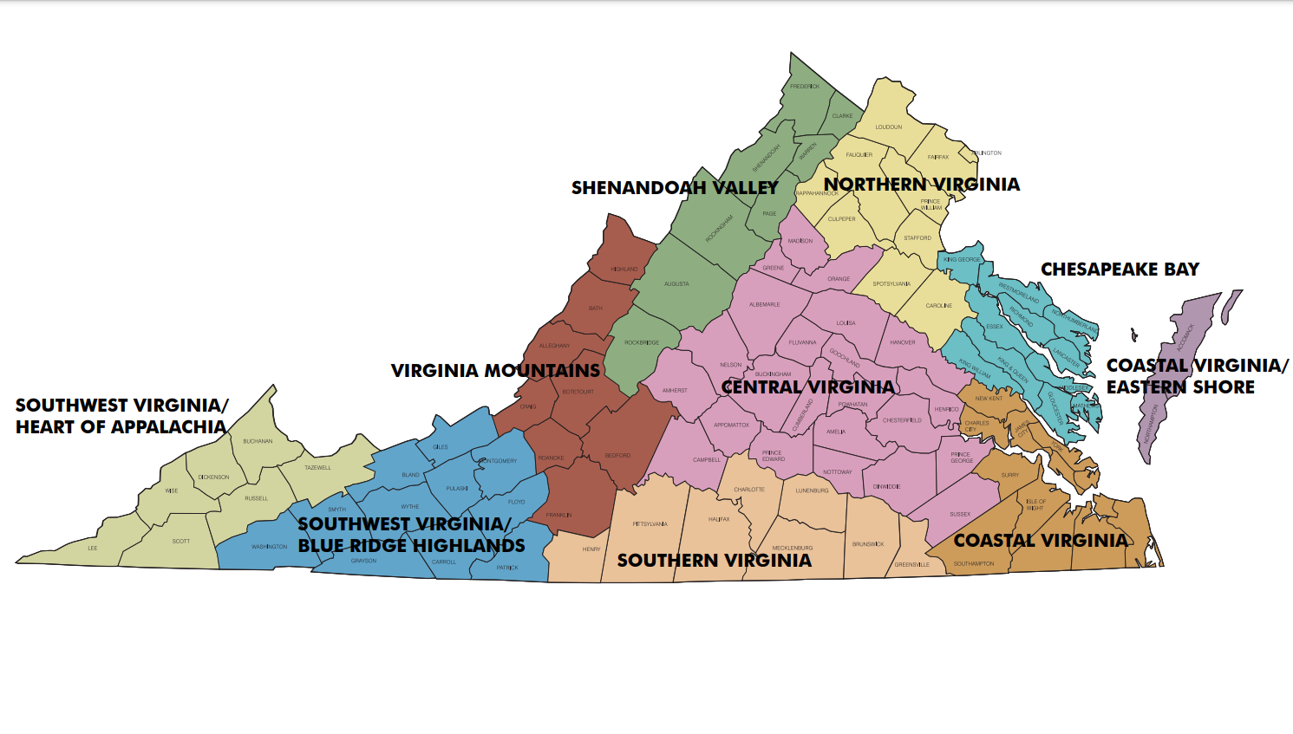

 | 149.55 | 162.11 | 167.91 | 178.08 | 165.20 | 165.69 | 213.96 | 225.76 | 219.97 | 185.24 | -8.3 | -9.1 | -10.6 | -0.4 | -2.6 | -6.7 | 10.0 | 7.4 | 8.6 | -0.6 | 151.90 | 161.08 | 161.17 | 172.71 | 157.30 | 161.45 | 184.97 | 187.55 | 186.27 | 170.01 | -3.5 | -5.5 | -12.2 | 2.8 | -1.3 | -4.3 | 5.8 | 3.7 | 4.7 | -1.1
 | 90.49 | 105.19 | 107.45 | 106.61 | 96.67 | 102.34 | 115.37 | 123.58 | 119.79 | 108.32 | 4.3 | 1.8 | 0.9 | 3.0 | 0.6 | 1.8 | 3.5 | 4.3 | 3.9 | 2.7 | 86.58 | 94.59 | 96.35 | 98.21 | 92.29 | 93.91 | 101.18 | 104.61 | 102.92 | 96.83 | 2.3 | 1.0 | -2.2 | 2.2 | 0.8 | 0.5 | 2.6 | 3.6 | 3.1 | 1.5
 | 79.02 | 87.61 | 87.77 | 88.27 | 82.91 | 85.42 | 92.64 | 94.52 | 93.62 | 88.03 | 4.6 | 6.2 | 2.6 | 4.0 | 0.5 | 3.4 | -2.8 | -2.4 | -2.6 | 1.1 | 77.35 | 81.82 | 82.73 | 83.70 | 81.32 | 81.49 | 87.86 | 88.71 | 88.29 | 83.62 | -0.1 | -0.4 | -3.3 | 1.0 | 0.9 | -0.4 | -1.4 | -1.6 | -1.5 | -0.7
 | 89.11 | 96.00 | 96.10 | 96.97 | 92.21 | 94.35 | 93.09 | 91.82 | 92.45 | 93.83 | 5.4 | 5.3 | 3.5 | 5.0 | 3.9 | 4.6 | 2.9 | 1.9 | 2.4 | 4.0 | 85.26 | 89.91 | 89.99 | 90.06 | 87.46 | 88.63 | 89.12 | 88.48 | 88.80 | 88.68 | 2.8 | 5.0 | 3.0 | 2.8 | 1.7 | 3.1 | 2.4 | 1.9 | 2.1 | 2.8
 | 89.18 | 91.90 | 92.24 | 91.80 | 93.32 | 91.82 | 122.26 | 141.05 | 131.86 | 103.58 | -0.7 | -2.5 | -1.5 | -1.9 | -0.4 | -1.4 | 1.1 | -3.5 | -1.4 | -1.0 | 121.68 | 117.62 | 119.22 | 127.21 | 118.01 | 120.70 | 127.41 | 135.08 | 131.24 | 123.91 | 10.1 | 3.5 | 2.5 | 21.4 | 9.2 | 9.1 | 1.6 | 2.4 | 2.1 | 6.6
 | 88.07 | 97.75 | 103.85 | 101.01 | 95.28 | 97.90 | 96.73 | 103.41 | 100.13 | 98.57 | -3.6 | -1.0 | 0.6 | 2.5 | 0.0 | 0.0 | -3.1 | 1.3 | -0.8 | -0.2 | 90.78 | 95.21 | 98.23 | 103.35 | 94.75 | 96.55 | 98.33 | 99.78 | 99.06 | 97.33 | -0.1 | 1.0 | -3.8 | 8.8 | 2.5 | 1.6 | 1.0 | 1.8 | 1.4 | 1.6
 | 112.47 | 118.31 | 120.52 | 121.81 | 121.18 | 119.45 | 142.93 | 165.65 | 155.50 | 129.90 | -7.3 | -6.7 | -6.0 | -4.5 | -5.7 | -5.8 | -3.8 | -3.2 | -4.3 | -6.9 | 134.35 | 129.21 | 133.95 | 145.73 | 135.37 | 135.83 | 149.46 | 157.86 | 153.80 | 141.18 | -1.5 | -5.9 | -8.5 | 9.7 | 0.6 | -1.3 | -2.7 | -2.9 | -2.9 | -2.1
 | 95.02 | 105.38 | 109.05 | 103.86 | 98.42 | 102.94 | 107.12 | 108.55 | 107.85 | 104.30 | 0.7 | 3.1 | 2.6 | -1.4 | -3.7 | 0.3 | -0.5 | -0.7 | -0.6 | 0.0 | 95.44 | 101.51 | 103.04 | 102.64 | 99.66 | 100.61 | 108.62 | 108.99 | 108.80 | 103.12 | -0.4 | 2.2 | -0.4 | 1.2 | 0.2 | 0.6 | -0.5 | 0.2 | -0.2 | 0.3
 | 86.63 | 91.37 | 89.61 | 92.59 | 97.59 | 91.96 | 94.46 | 122.00 | 109.55 | 98.15 | 0.5 | -0.9 | 0.6 | 3.2 | 9.2 | 2.8 | -9.6 | 5.2 | -1.0 | 1.0 | 106.43 | 104.72 | 111.54 | 113.13 | 105.25 | 108.22 | 125.91 | 117.09 | 121.55 | 112.74 | 14.1 | 10.7 | 17.7 | 21.8 | 11.1 | 15.0 | 19.6 | 8.1 | 13.8 | 14.6
 | 82.86 | 87.59 | 90.81 | 89.26 | 89.16 | 88.38 | 116.74 | 114.75 | 115.81 | 97.93 | -4.9 | -5.9 | -3.9 | -5.2 | -3.3 | -4.5 | 5.9 | 0.8 | 3.4 | -1.2 | 83.87 | 86.10 | 87.51 | 87.83 | 87.26 | 86.56 | 99.72 | 98.23 | 98.98 | 90.65 | -3.8 | -4.3 | -3.9 | -3.2 | -4.7 | -4.0 | -0.1 | -2.6 | -1.3 | -3.1
 | 98.29 | 103.62 | 107.33 | 106.90 | 106.66 | 105.17 | 112.67 | 112.16 | 112.43 | 107.39 | 10.4 | 5.6 | 5.1 | 4.4 | 10.1 | 6.9 | 7.0 | 1.9 | 4.4 | 6.2 | 94.35 | 98.03 | 101.84 | 106.34 | 101.71 | 100.89 | 108.11 | 108.64 | 108.37 | 103.34 | 4.1 | 1.4 | -0.1 | 8.5 | 6.7 | 4.1 | 4.0 | 1.6 | 2.8 | 3.8
 | 98.58 | 107.91 | 110.27 | 111.49 | 105.83 | 107.43 | 124.14 | 131.76 | 128.09 | 113.93 | 1.2 | -1.3 | -3.0 | 0.7 | 0.3 | -0.7 | 2.8 | -0.3 | 1.0 | -0.2 | 99.81 | 104.38 | 106.20 | 110.64 | 103.79 | 105.19 | 113.76 | 116.52 | 115.16 | 108.30 | 0.8 | -0.3 | -2.7 | 7.2 | 2.8 | 1.6 | 2.4 | 1.2 | 1.8 | 1.6
 | 88.53 | 93.81 | 95.06 | 93.81 | 91.36 | 92.84 | 90.97 | 97.60 | 94.33 | 93.23 | -6.0 | -8.1 | -6.4 | -7.5 | -8.8 | -7.4 | -15.6 | -20.8 | -18.3 | -10.6 | 86.62 | 90.84 | 90.41 | 93.47 | 88.20 | 90.11 | 93.41 | 96.40 | 94.89 | 91.49 | -11.9 | -10.8 | -18.1 | -10.2 | -13.1 | -12.8 | -15.6 | -17.3 | -16.5 | -14.0
 | 88.03 | 92.08 | 94.84 | 95.90 | 91.85 | 93.10 | 93.88 | 96.95 | 95.44 | 93.78 | -8.1 | -9.0 | -5.9 | -1.3 | -1.8 | -5.0 | -5.7 | -2.7 | -4.2 | -4.7 | 86.65 | 89.02 | 90.35 | 93.19 | 89.61 | 89.93 | 92.53 | 93.20 | 92.86 | 90.81 | -4.5 | -6.0 | -7.1 | -0.9 | -2.3 | -4.1 | -3.7 | -3.0 | -3.3 | -3.9
 | 87.15 | 92.64 | 96.15 | 95.22 | 95.40 | 93.65 | 108.29 | 115.61 | 112.03 | 100.12 | 0.9 | 1.9 | 2.7 | 1.8 | 0.5 | 1.6 | 0.5 | 0.4 | 0.5 | 1.2 | 95.14 | 95.55 | 96.33 | 103.63 | 97.11 | 97.72 | 105.58 | 108.29 | 106.94 | 100.77 | -0.4 | -0.3 | -7.2 | 8.6 | -0.8 | -0.2 | -3.0 | -2.7 | -2.9 | -1.1
 | 125.85 | 151.09 | 161.43 | 156.55 | 134.40 | 147.95 | 120.12 | 121.67 | 120.92 | 140.96 | 3.0 | 1.1 | 1.0 | -0.4 | -8.2 | -0.9 | -23.8 | -40.6 | -34.1 | -11.6 | 114.60 | 126.90 | 135.02 | 137.68 | 123.34 | 128.19 | 117.16 | 117.60 | 117.39 | 125.03 | 3.2 | 0.1 | -1.7 | 3.8 | -0.3 | 1.1 | -5.8 | -17.2 | -12.1 | -3.0
 | 85.45 | 90.48 | 90.09 | 91.14 | 92.14 | 90.11 | 93.24 | 110.91 | 102.65 | 94.20 | 1.1 | 0.7 | 1.0 | 1.8 | 4.9 | 1.9 | -7.0 | 3.2 | -1.3 | 0.5 | 96.28 | 96.19 | 99.87 | 101.84 | 96.37 | 98.11 | 110.93 | 106.29 | 108.61 | 101.55 | 7.9 | 5.9 | 8.5 | 13.4 | 6.4 | 8.4 | 11.7 | 5.0 | 8.3 | 8.4
 | 1,459 | 1,832 | 2,067 | 2,135 | 1,924 | 9,417 | 2,601 | 2,699 | 5,300 | 14,717 | 37.8 | -2.5 | -13.8 | 3.3 | 17.7 | 4.2 | 12.8 | 7.6 | 10.1 | 6.2 | 4,356 | 5,114 | 5,118 | 5,910 | 5,191 | 25,689 | 6,696 | 6,829 | 13,525 | 39,214 | 7.0 | 6.1 | -6.2 | 38.7 | 22.3 | 12.4 | 15.6 | 15.4 | 15.5 | 13.5
 | 3,303 | 4,891 | 5,543 | 5,161 | 4,440 | 23,338 | 5,615 | 6,540 | 12,155 | 35,493 | 4.1 | 0.1 | -1.8 | -2.7 | -0.6 | -0.6 | 3.4 | 1.7 | 2.5 | 0.5 | 13,312 | 16,090 | 16,427 | 16,676 | 15,622 | 78,127 | 18,408 | 19,006 | 37,414 | 115,541 | 3.2 | 6.9 | -8.3 | -3.2 | -4.5 | -1.7 | 1.9 | 3.7 | 2.8 | -0.3
 | 1,521 | 1,891 | 2,000 | 1,982 | 1,886 | 9,280 | 2,077 | 2,249 | 4,326 | 13,606 | 10.2 | 5.2 | 2.4 | -0.5 | 1.4 | 3.3 | -1.5 | -1.0 | -1.2 | 1.8 | 5,943 | 6,819 | 6,722 | 6,866 | 6,705 | 33,055 | 7,404 | 7,705 | 15,109 | 48,164 | -1.1 | 4.6 | -4.8 | -1.3 | -4.8 | -1.6 | -0.8 | 1.4 | 0.3 | -1.0
 | 2,932 | 3,656 | 3,831 | 3,839 | 3,502 | 17,760 | 3,278 | 3,347 | 6,625 | 24,385 | 18.5 | 20.4 | 17.7 | 18.3 | 19.2 | 18.8 | 13.9 | 15.5 | 14.7 | 17.7 | 9,772 | 11,353 | 11,045 | 10,959 | 10,568 | 53,697 | 10,751 | 10,942 | 21,693 | 75,390 | 10.2 | 23.5 | 13.2 | 10.7 | 5.4 | 12.5 | 8.0 | 9.0 | 8.5 | 11.3
 | 2,714 | 3,859 | 4,057 | 3,981 | 3,474 | 18,085 | 3,676 | 3,845 | 7,521 | 25,606 | -14.3 | -5.1 | -5.4 | -5.8 | -5.0 | -6.8 | -2.8 | -0.8 | -1.8 | -5.4 | 11,886 | 14,682 | 13,910 | 13,732 | 13,032 | 67,242 | 14,714 | 14,692 | 29,406 | 96,648 | -9.2 | 6.7 | -0.6 | -0.7 | -12.2 | -3.3 | -8.6 | -2.9 | -5.8 | -4.0
 | 1,973 | 2,772 | 2,975 | 3,008 | 2,768 | 13,496 | 2,825 | 2,933 | 5,758 | 19,254 | -0.9 | 1.4 | 2.0 | 3.5 | 3.8 | 2.1 | -0.7 | 3.2 | 1.3 | 1.9 | 9,501 | 11,051 | 10,526 | 10,255 | 9,794 | 51,127 | 11,466 | 11,636 | 23,102 | 74,229 | 3.8 | 13.3 | 4.6 | 4.2 | -7.9 | 3.4 | 0.5 | 5.1 | 2.8 | 3.2
 | 1,530 | 2,558 | 2,856 | 2,820 | 2,277 | 12,041 | 2,194 | 2,718 | 4,912 | 16,953 | -15.1 | 3.6 | 3.7 | -2.0 | -10.9 | -3.3 | -15.7 | -35.4 | -27.9 | -12.0 | 6,849 | 9,107 | 9,162 | 9,209 | 7,838 | 42,165 | 8,644 | 9,223 | 17,867 | 60,032 | -15.8 | 2.3 | 5.7 | 11.2 | -10.7 | -1.4 | -10.6 | -14.6 | -12.7 | -5.0
 | 2,438 | 3,427 | 3,638 | 3,587 | 3,215 | 16,305 | 3,056 | 3,153 | 6,209 | 22,514 | -12.7 | -10.4 | -13.3 | -15.9 | -17.4 | -14.0 | -22.3 | -13.5 | -18.0 | -15.2 | 10,854 | 12,989 | 12,417 | 12,289 | 11,387 | 59,936 | 13,494 | 13,033 | 26,527 | 86,463 | -8.2 | 2.9 | -7.6 | -7.5 | -18.5 | -8.0 | -10.5 | -8.2 | -9.4 | -8.4
 | 1,811 | 2,447 | 2,572 | 2,770 | 2,727 | 12,327 | 3,023 | 3,665 | 6,688 | 19,015 | 3.5 | 2.8 | 3.0 | 8.2 | 10.5 | 5.8 | -2.5 | 2.1 | -0.1 | 3.6 | 9,833 | 10,996 | 10,648 | 10,203 | 9,934 | 51,614 | 13,395 | 13,106 | 26,501 | 78,115 | 8.8 | 19.7 | 23.9 | 16.2 | -4.2 | 12.3 | 15.3 | 11.9 | 13.6 | 12.7
 | 1,229 | 1,868 | 2,034 | 2,048 | 2,002 | 9,181 | 2,601 | 2,304 | 4,905 | 14,086 | -15.5 | -3.0 | -6.4 | -11.6 | -7.5 | -8.5 | -0.8 | -8.2 | -4.4 | -7.1 | 6,148 | 7,646 | 7,342 | 6,592 | 6,687 | 34,415 | 8,528 | 8,362 | 16,890 | 51,305 | -11.6 | 10.2 | 10.8 | -8.8 | -17.6 | -4.1 | -8.5 | -3.7 | -6.2 | -4.8
 | 1,111 | 1,747 | 1,948 | 1,954 | 1,842 | 8,602 | 2,007 | 1,790 | 3,797 | 12,399 | -5.6 | 5.8 | 11.0 | 8.5 | 15.5 | 7.8 | 19.1 | 12.1 | 15.7 | 10.1 | 3,936 | 5,487 | 5,582 | 5,825 | 5,235 | 26,065 | 6,554 | 6,152 | 12,706 | 38,771 | -7.7 | -2.2 | -6.9 | 1.1 | -5.6 | -4.1 | 5.6 | 4.7 | 5.2 | -1.2
 | 13,808 | 18,987 | 20,876 | 20,475 | 18,240 | 92,386 | 20,389 | 22,030 | 42,419 | 134,805 | 8.9 | 6.2 | 3.3 | 3.6 | 5.7 | 5.2 | 5.4 | -1.3 | 1.8 | 4.1 | 51,423 | 62,457 | 62,401 | 63,862 | 59,255 | 299,398 | 66,954 | 68,471 | 135,425 | 434,823 | 1.0 | 8.8 | 0.4 | 8.0 | 0.1 | 3.7 | 3.1 | 3.9 | 3.5 | 3.6
 | 387 | 563 | 584 | 575 | 493 | 2,602 | 455 | 466 | 921 | 3,523 | -15.3 | -14.3 | -15.5 | -12.5 | -15.7 | -14.6 | -15.4 | -13.2 | -14.3 | -14.5 | 1,449 | 1,904 | 1,841 | 1,912 | 1,716 | 8,822 | 1,803 | 1,783 | 3,586 | 12,408 | -16.1 | -1.7 | -9.9 | -1.3 | -14.1 | -8.5 | -9.6 | -7.7 | -8.7 | -8.6

Washington, DC Market
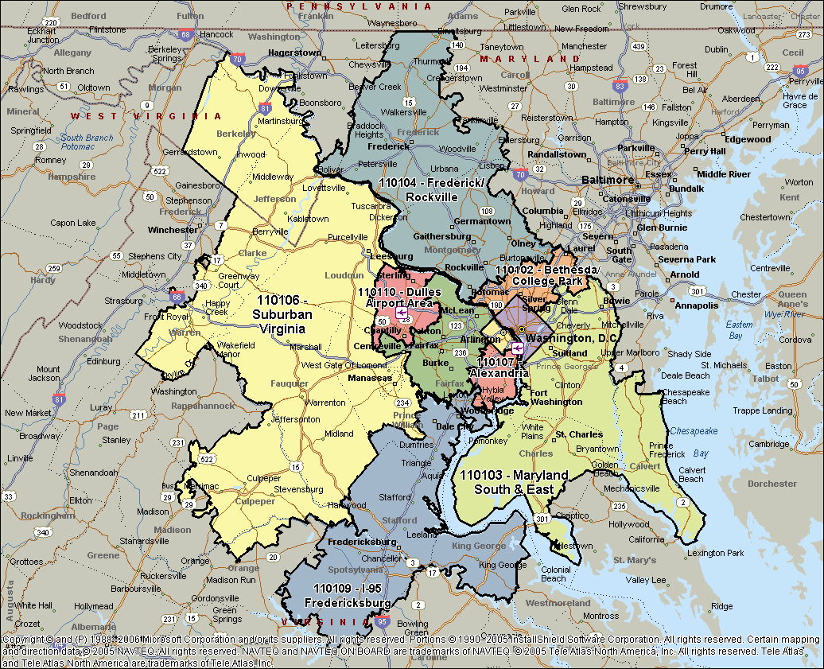

Norfolk & Virginia Beach, VA
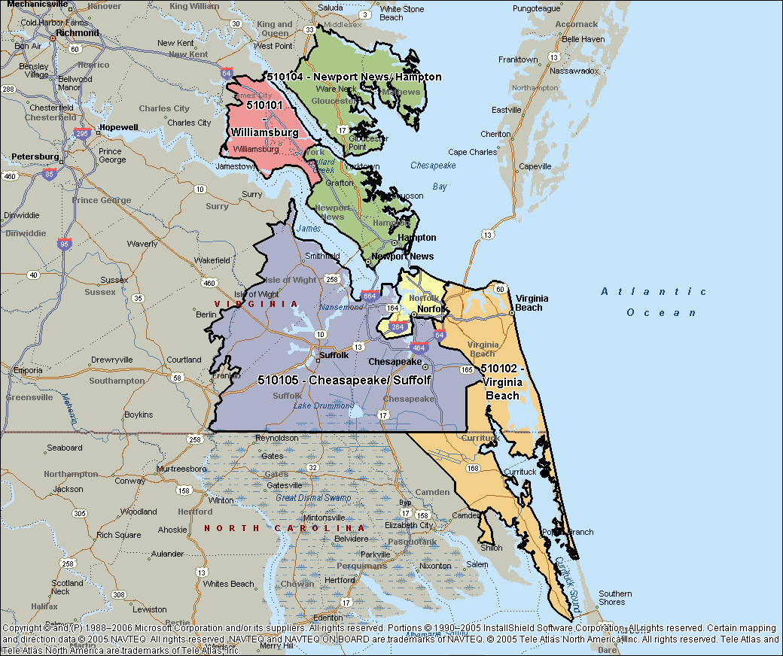

Virginia Area
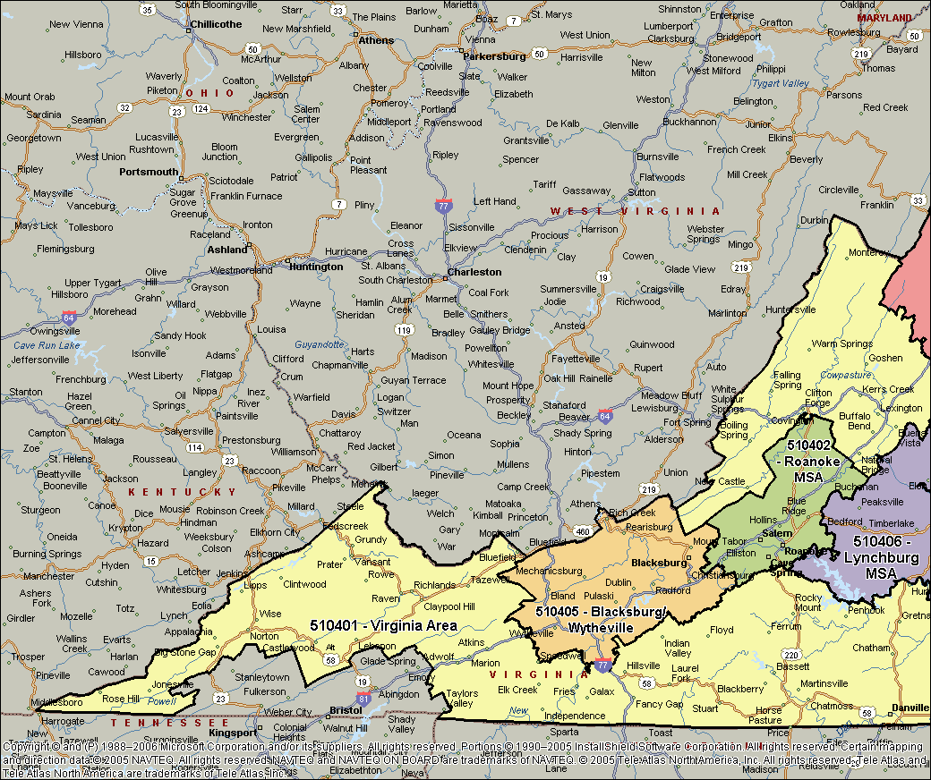
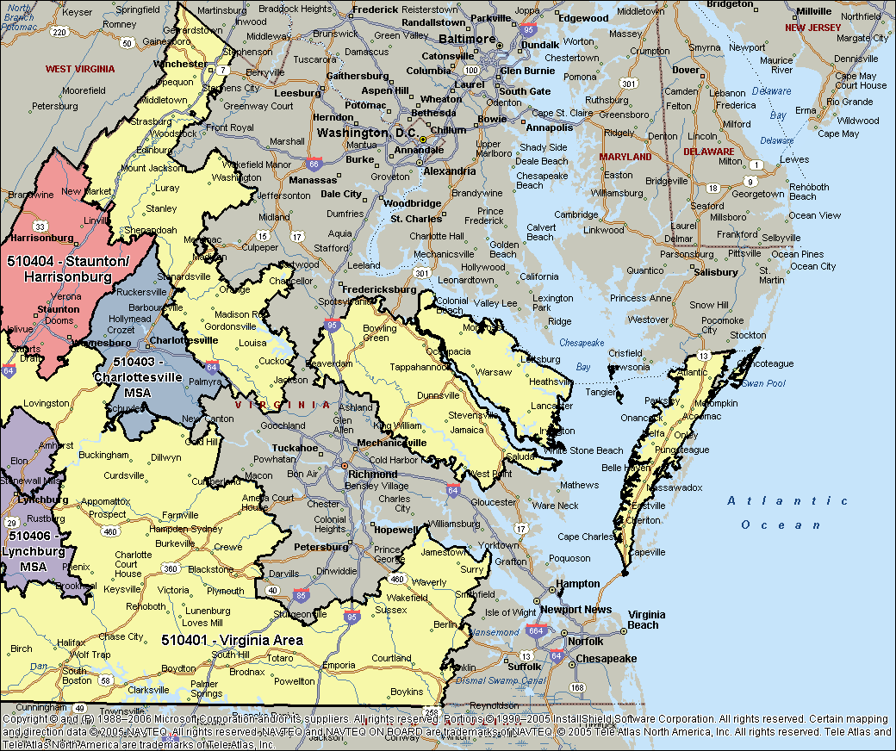

VA Shenandoah Valley Regional
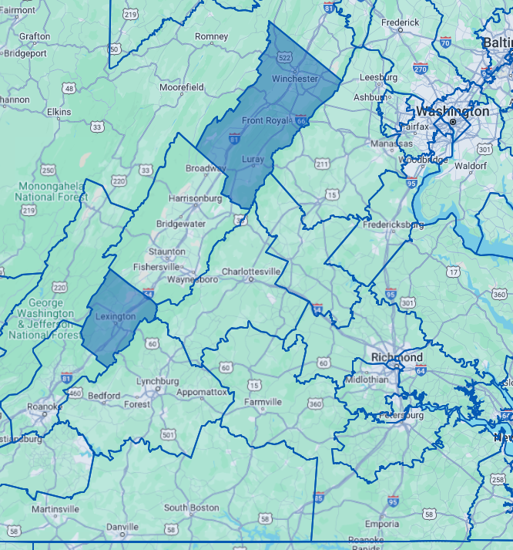

Virginia South Central
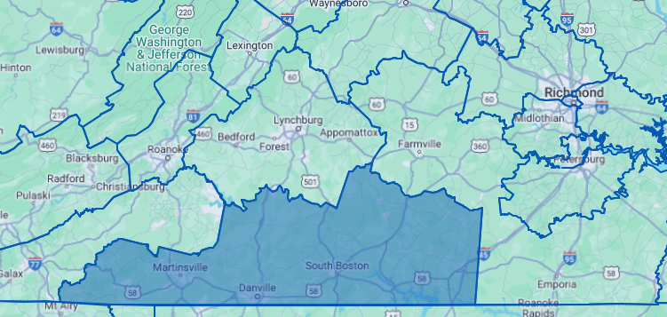

Virginia South Central

Richmond-Petersburg, VA
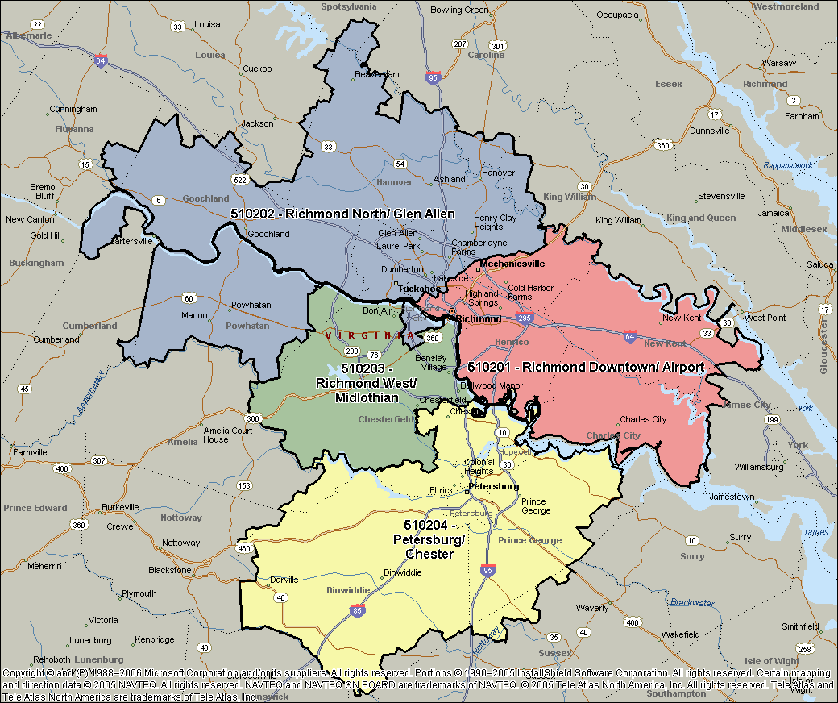

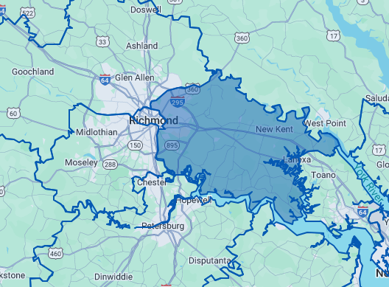

Richmond East-Airport

Bristol & Kingsport TN&VA, MSA
