Market Maps ->
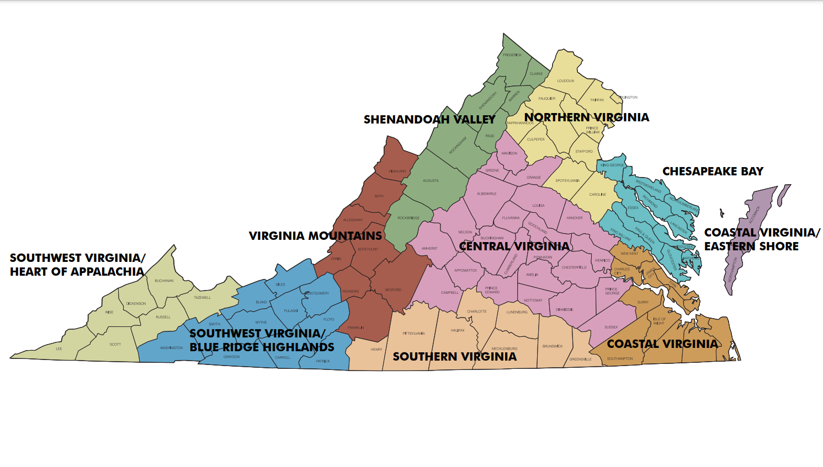
Virginia Tourism Regions.
Refer to tabs to the right for STR Submarket Maps

Washington, DC Market
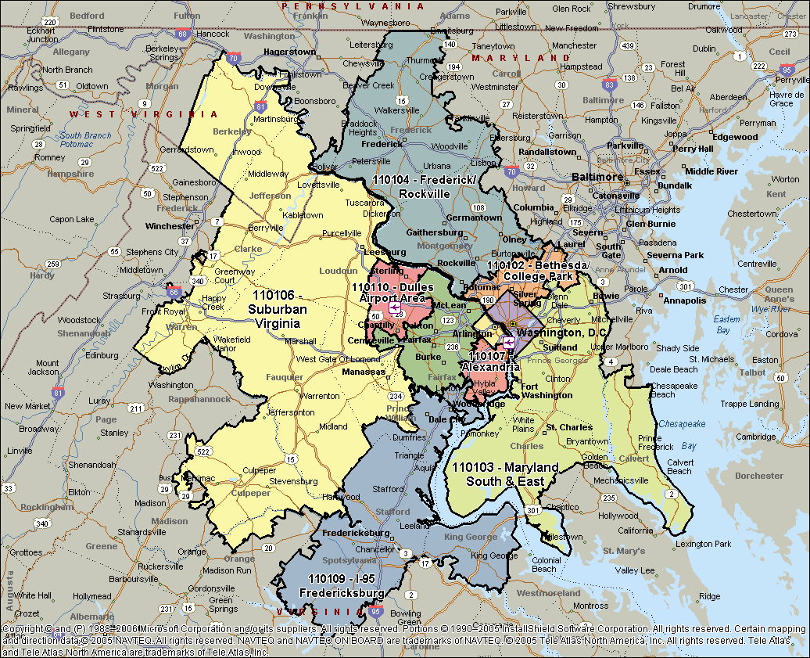

Norfolk & Virginia Beach, VA
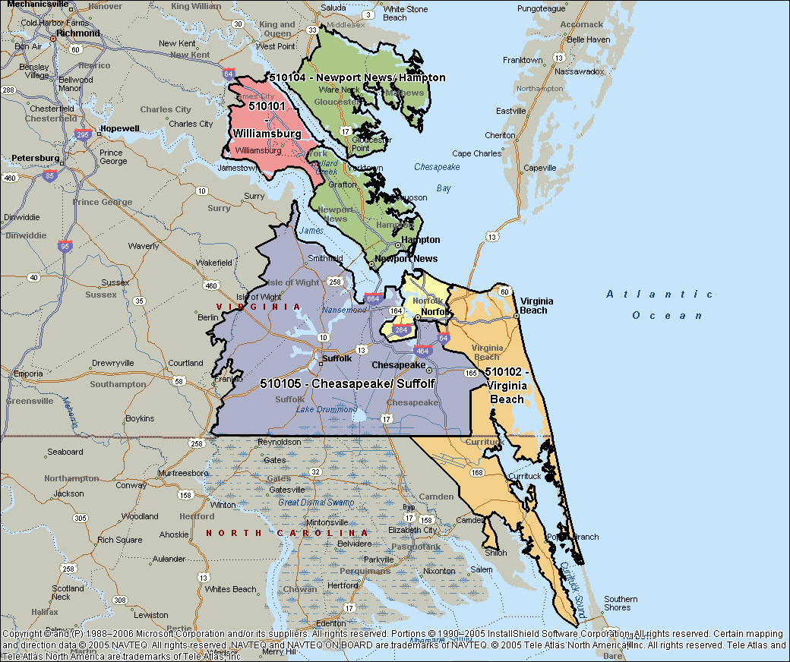

Virginia Area
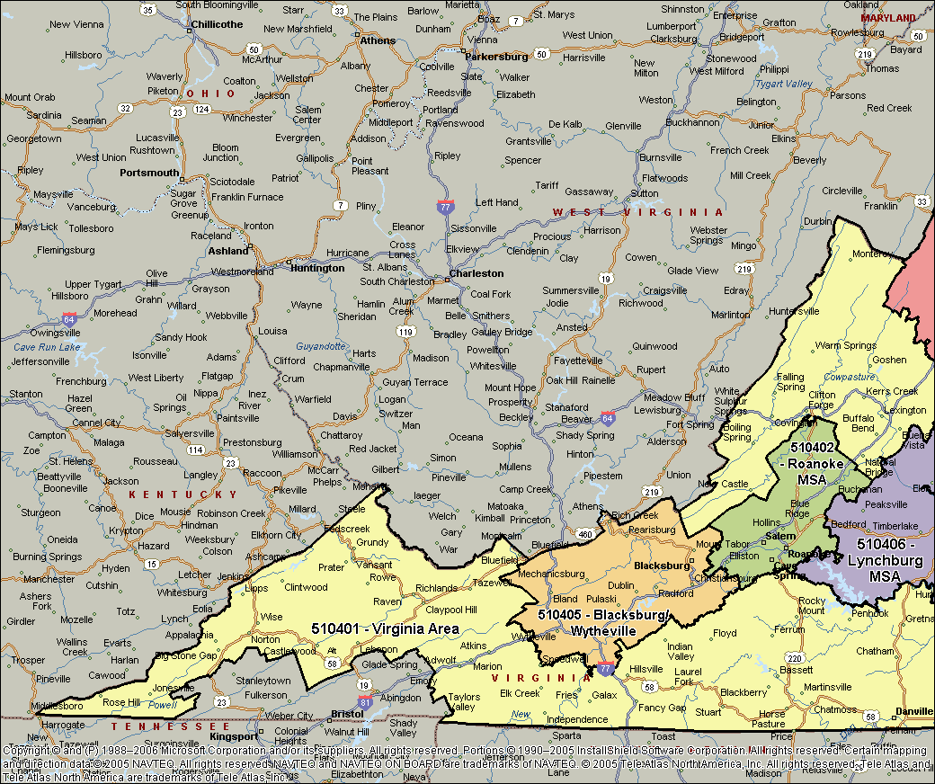
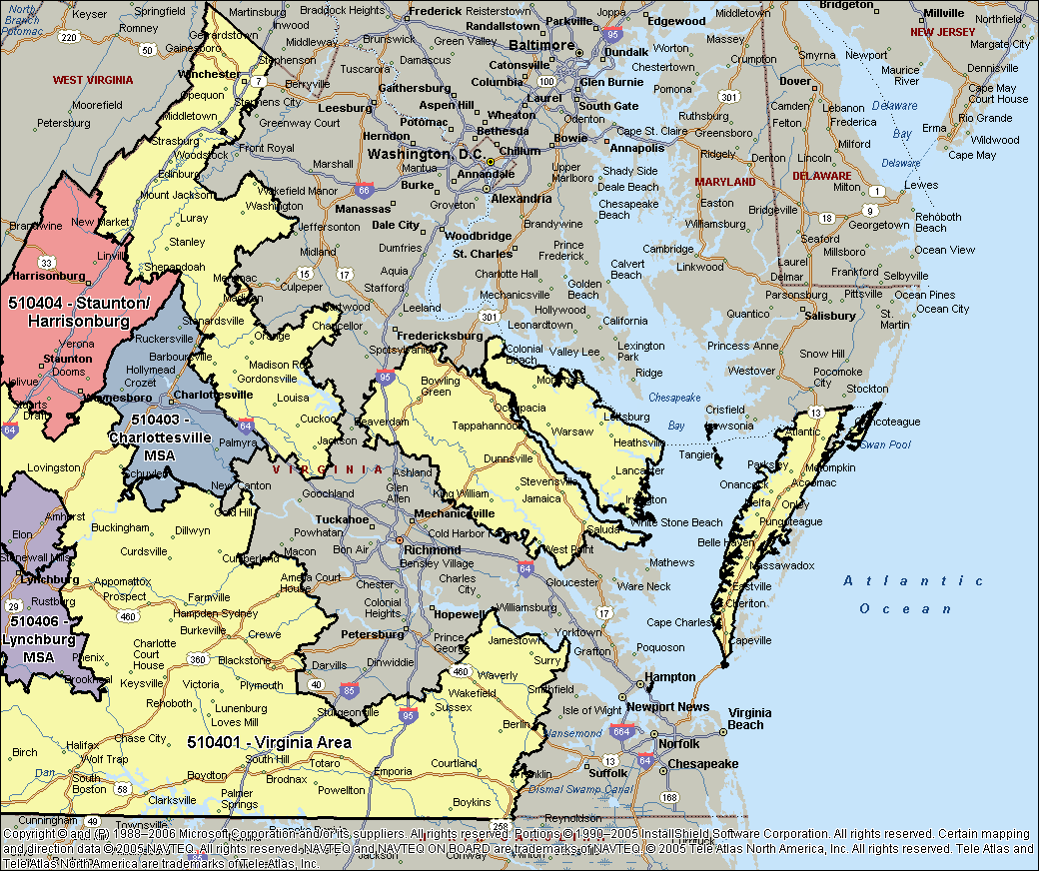

Richmond-Petersburg, VA
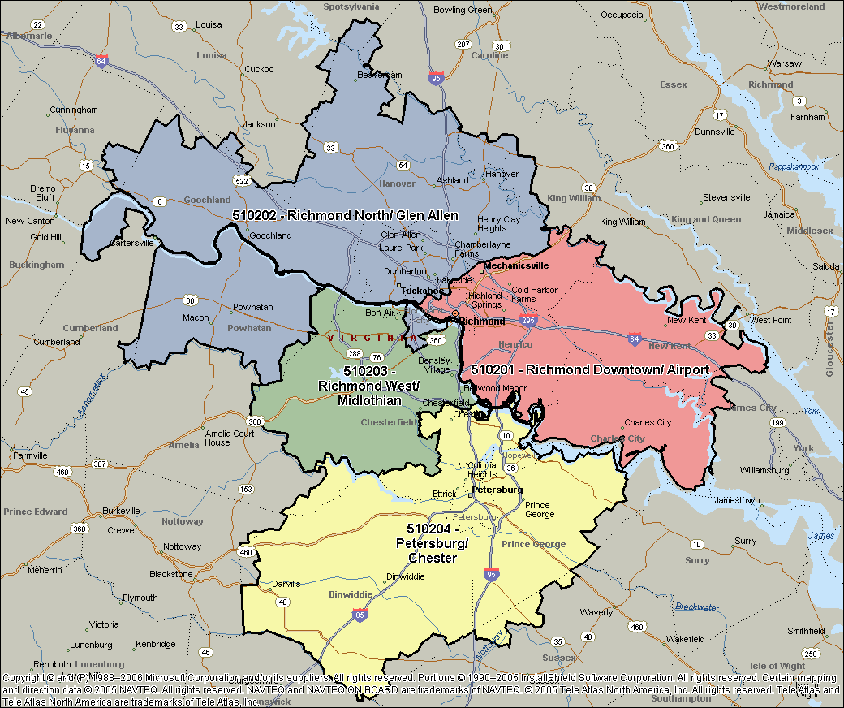

Bristol & Kingsport TN&VA, MSA
