Market Maps ->
Virginia Tourism Regions.
Refer to tabs to the right for STR Submarket Maps
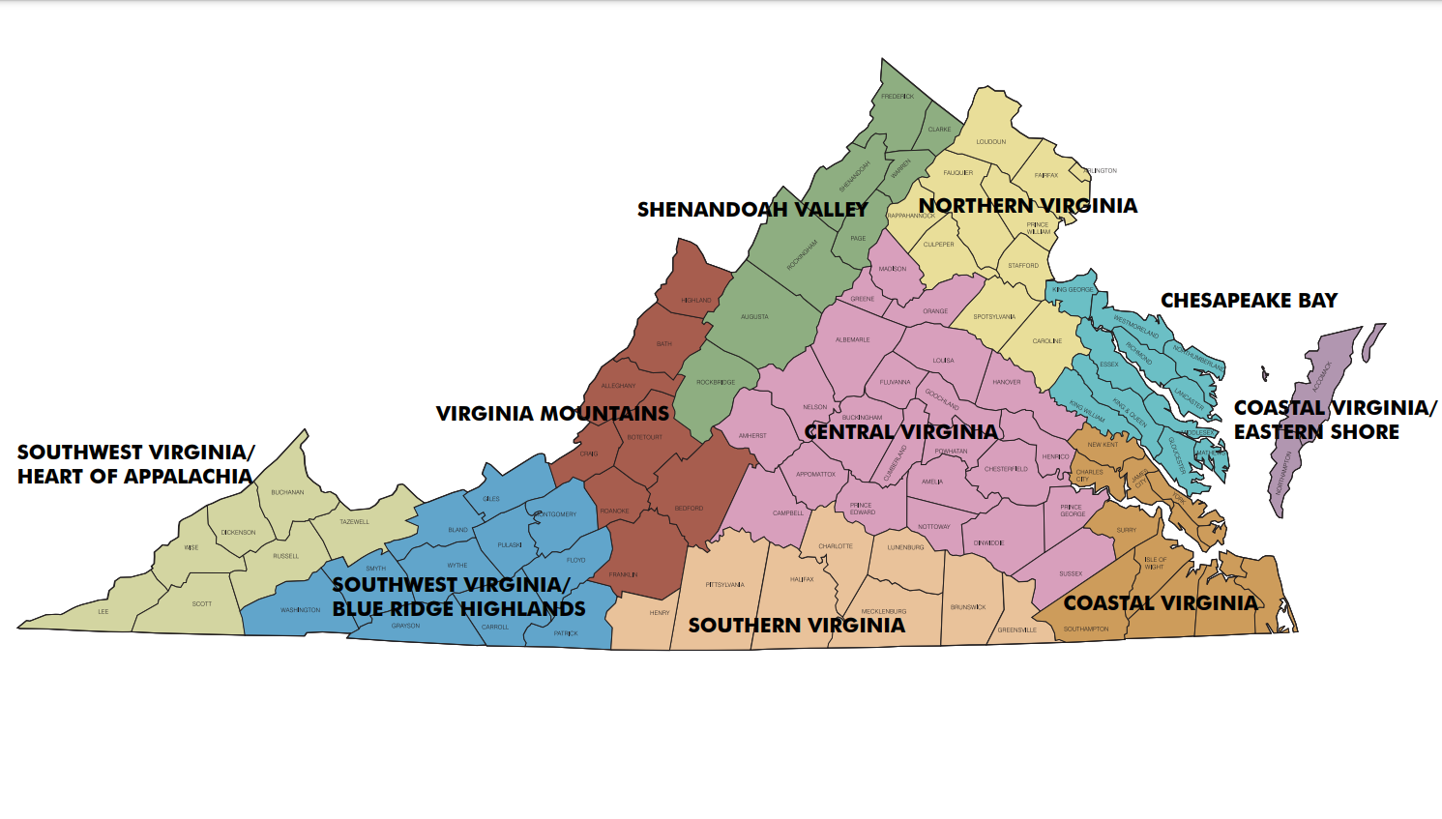

 | 149.55 | 162.11 | 167.91 | 178.08 | 165.20 | 165.69 | 213.96 | 225.76 | 219.97 | 185.24 | -8.3 | -9.1 | -10.6 | -0.4 | -2.6 | -6.7 | 10.0 | 7.4 | 8.6 | -0.6 | 151.90 | 161.08 | 161.17 | 172.71 | 157.30 | 161.45 | 184.97 | 187.55 | 186.27 | 170.01 | -3.5 | -5.5 | -12.2 | 2.8 | -1.3 | -4.3 | 5.8 | 3.7 | 4.7 | -1.1
 | 90.49 | 105.19 | 107.45 | 106.61 | 96.67 | 102.34 | 115.37 | 123.58 | 119.79 | 108.32 | 4.3 | 1.8 | 0.9 | 3.0 | 0.6 | 1.8 | 3.5 | 4.3 | 3.9 | 2.7 | 86.58 | 94.59 | 96.35 | 98.21 | 92.29 | 93.91 | 101.18 | 104.61 | 102.92 | 96.83 | 2.3 | 1.0 | -2.2 | 2.2 | 0.8 | 0.5 | 2.6 | 3.6 | 3.1 | 1.5
 | 79.02 | 87.61 | 87.77 | 88.27 | 82.91 | 85.42 | 92.64 | 94.52 | 93.62 | 88.03 | 4.6 | 6.2 | 2.6 | 4.0 | 0.5 | 3.4 | -2.8 | -2.4 | -2.6 | 1.1 | 77.35 | 81.82 | 82.73 | 83.70 | 81.32 | 81.49 | 87.86 | 88.71 | 88.29 | 83.62 | -0.1 | -0.4 | -3.3 | 1.0 | 0.9 | -0.4 | -1.4 | -1.6 | -1.5 | -0.7
 | 89.11 | 96.00 | 96.10 | 96.97 | 92.21 | 94.35 | 93.09 | 91.82 | 92.45 | 93.83 | 5.4 | 5.3 | 3.5 | 5.0 | 3.9 | 4.6 | 2.9 | 1.9 | 2.4 | 4.0 | 85.26 | 89.91 | 89.99 | 90.06 | 87.46 | 88.63 | 89.12 | 88.48 | 88.80 | 88.68 | 2.8 | 5.0 | 3.0 | 2.8 | 1.7 | 3.1 | 2.4 | 1.9 | 2.1 | 2.8
 | 89.18 | 91.90 | 92.24 | 91.80 | 93.32 | 91.82 | 122.26 | 141.05 | 131.86 | 103.58 | -0.7 | -2.5 | -1.5 | -1.9 | -0.4 | -1.4 | 1.1 | -3.5 | -1.4 | -1.0 | 121.68 | 117.62 | 119.22 | 127.21 | 118.01 | 120.70 | 127.41 | 135.08 | 131.24 | 123.91 | 10.1 | 3.5 | 2.5 | 21.4 | 9.2 | 9.1 | 1.6 | 2.4 | 2.1 | 6.6
 | 88.07 | 97.75 | 103.85 | 101.01 | 95.28 | 97.90 | 96.73 | 103.41 | 100.13 | 98.57 | -3.6 | -1.0 | 0.6 | 2.5 | 0.0 | 0.0 | -3.1 | 1.3 | -0.8 | -0.2 | 90.78 | 95.21 | 98.23 | 103.35 | 94.75 | 96.55 | 98.33 | 99.78 | 99.06 | 97.33 | -0.1 | 1.0 | -3.8 | 8.8 | 2.5 | 1.6 | 1.0 | 1.8 | 1.4 | 1.6
 | 112.47 | 118.31 | 120.52 | 121.81 | 121.18 | 119.45 | 142.93 | 165.65 | 155.50 | 129.90 | -7.3 | -6.7 | -6.0 | -4.5 | -5.7 | -5.8 | -3.8 | -3.2 | -4.3 | -6.9 | 134.35 | 129.21 | 133.95 | 145.73 | 135.37 | 135.83 | 149.46 | 157.86 | 153.80 | 141.18 | -1.5 | -5.9 | -8.5 | 9.7 | 0.6 | -1.3 | -2.7 | -2.9 | -2.9 | -2.1
 | 95.02 | 105.38 | 109.05 | 103.86 | 98.42 | 102.94 | 107.12 | 108.55 | 107.85 | 104.30 | 0.7 | 3.1 | 2.6 | -1.4 | -3.7 | 0.3 | -0.5 | -0.7 | -0.6 | 0.0 | 95.44 | 101.51 | 103.04 | 102.64 | 99.66 | 100.61 | 108.62 | 108.99 | 108.80 | 103.12 | -0.4 | 2.2 | -0.4 | 1.2 | 0.2 | 0.6 | -0.5 | 0.2 | -0.2 | 0.3
 | 86.63 | 91.37 | 89.61 | 92.59 | 97.59 | 91.96 | 94.46 | 122.00 | 109.55 | 98.15 | 0.5 | -0.9 | 0.6 | 3.2 | 9.2 | 2.8 | -9.6 | 5.2 | -1.0 | 1.0 | 106.43 | 104.72 | 111.54 | 113.13 | 105.25 | 108.22 | 125.91 | 117.09 | 121.55 | 112.74 | 14.1 | 10.7 | 17.7 | 21.8 | 11.1 | 15.0 | 19.6 | 8.1 | 13.8 | 14.6
 | 82.86 | 87.59 | 90.81 | 89.26 | 89.16 | 88.38 | 116.74 | 114.75 | 115.81 | 97.93 | -4.9 | -5.9 | -3.9 | -5.2 | -3.3 | -4.5 | 5.9 | 0.8 | 3.4 | -1.2 | 83.87 | 86.10 | 87.51 | 87.83 | 87.26 | 86.56 | 99.72 | 98.23 | 98.98 | 90.65 | -3.8 | -4.3 | -3.9 | -3.2 | -4.7 | -4.0 | -0.1 | -2.6 | -1.3 | -3.1
 | 98.29 | 103.62 | 107.33 | 106.90 | 106.66 | 105.17 | 112.67 | 112.16 | 112.43 | 107.39 | 10.4 | 5.6 | 5.1 | 4.4 | 10.1 | 6.9 | 7.0 | 1.9 | 4.4 | 6.2 | 94.35 | 98.03 | 101.84 | 106.34 | 101.71 | 100.89 | 108.11 | 108.64 | 108.37 | 103.34 | 4.1 | 1.4 | -0.1 | 8.5 | 6.7 | 4.1 | 4.0 | 1.6 | 2.8 | 3.8
 | 98.58 | 107.91 | 110.27 | 111.49 | 105.83 | 107.43 | 124.14 | 131.76 | 128.09 | 113.93 | 1.2 | -1.3 | -3.0 | 0.7 | 0.3 | -0.7 | 2.8 | -0.3 | 1.0 | -0.2 | 99.81 | 104.38 | 106.20 | 110.64 | 103.79 | 105.19 | 113.76 | 116.52 | 115.16 | 108.30 | 0.8 | -0.3 | -2.7 | 7.2 | 2.8 | 1.6 | 2.4 | 1.2 | 1.8 | 1.6
 | 88.53 | 93.81 | 95.06 | 93.81 | 91.36 | 92.84 | 90.97 | 97.60 | 94.33 | 93.23 | -6.0 | -8.1 | -6.4 | -7.5 | -8.8 | -7.4 | -15.6 | -20.8 | -18.3 | -10.6 | 86.62 | 90.84 | 90.41 | 93.47 | 88.20 | 90.11 | 93.41 | 96.40 | 94.89 | 91.49 | -11.9 | -10.8 | -18.1 | -10.2 | -13.1 | -12.8 | -15.6 | -17.3 | -16.5 | -14.0
 | 88.03 | 92.08 | 94.84 | 95.90 | 91.85 | 93.10 | 93.88 | 96.95 | 95.44 | 93.78 | -8.1 | -9.0 | -5.9 | -1.3 | -1.8 | -5.0 | -5.7 | -2.7 | -4.2 | -4.7 | 86.65 | 89.02 | 90.35 | 93.19 | 89.61 | 89.93 | 92.53 | 93.20 | 92.86 | 90.81 | -4.5 | -6.0 | -7.1 | -0.9 | -2.3 | -4.1 | -3.7 | -3.0 | -3.3 | -3.9
 | 87.15 | 92.64 | 96.15 | 95.22 | 95.40 | 93.65 | 108.29 | 115.61 | 112.03 | 100.12 | 0.9 | 1.9 | 2.7 | 1.8 | 0.5 | 1.6 | 0.5 | 0.4 | 0.5 | 1.2 | 95.14 | 95.55 | 96.33 | 103.63 | 97.11 | 97.72 | 105.58 | 108.29 | 106.94 | 100.77 | -0.4 | -0.3 | -7.2 | 8.6 | -0.8 | -0.2 | -3.0 | -2.7 | -2.9 | -1.1
 | 125.85 | 151.09 | 161.43 | 156.55 | 134.40 | 147.95 | 120.12 | 121.67 | 120.92 | 140.96 | 3.0 | 1.1 | 1.0 | -0.4 | -8.2 | -0.9 | -23.8 | -40.6 | -34.1 | -11.6 | 114.60 | 126.90 | 135.02 | 137.68 | 123.34 | 128.19 | 117.16 | 117.60 | 117.39 | 125.03 | 3.2 | 0.1 | -1.7 | 3.8 | -0.3 | 1.1 | -5.8 | -17.2 | -12.1 | -3.0
 | 85.45 | 90.48 | 90.09 | 91.14 | 92.14 | 90.11 | 93.24 | 110.91 | 102.65 | 94.20 | 1.1 | 0.7 | 1.0 | 1.8 | 4.9 | 1.9 | -7.0 | 3.2 | -1.3 | 0.5 | 96.28 | 96.19 | 99.87 | 101.84 | 96.37 | 98.11 | 110.93 | 106.29 | 108.61 | 101.55 | 7.9 | 5.9 | 8.5 | 13.4 | 6.4 | 8.4 | 11.7 | 5.0 | 8.3 | 8.4
 | 1,459 | 1,832 | 2,067 | 2,135 | 1,924 | 9,417 | 2,601 | 2,699 | 5,300 | 14,717 | 37.8 | -2.5 | -13.8 | 3.3 | 17.7 | 4.2 | 12.8 | 7.6 | 10.1 | 6.2 | 4,356 | 5,114 | 5,118 | 5,910 | 5,191 | 25,689 | 6,696 | 6,829 | 13,525 | 39,214 | 7.0 | 6.1 | -6.2 | 38.7 | 22.3 | 12.4 | 15.6 | 15.4 | 15.5 | 13.5
 | 3,303 | 4,891 | 5,543 | 5,161 | 4,440 | 23,338 | 5,615 | 6,540 | 12,155 | 35,493 | 4.1 | 0.1 | -1.8 | -2.7 | -0.6 | -0.6 | 3.4 | 1.7 | 2.5 | 0.5 | 13,312 | 16,090 | 16,427 | 16,676 | 15,622 | 78,127 | 18,408 | 19,006 | 37,414 | 115,541 | 3.2 | 6.9 | -8.3 | -3.2 | -4.5 | -1.7 | 1.9 | 3.7 | 2.8 | -0.3
 | 1,521 | 1,891 | 2,000 | 1,982 | 1,886 | 9,280 | 2,077 | 2,249 | 4,326 | 13,606 | 10.2 | 5.2 | 2.4 | -0.5 | 1.4 | 3.3 | -1.5 | -1.0 | -1.2 | 1.8 | 5,943 | 6,819 | 6,722 | 6,866 | 6,705 | 33,055 | 7,404 | 7,705 | 15,109 | 48,164 | -1.1 | 4.6 | -4.8 | -1.3 | -4.8 | -1.6 | -0.8 | 1.4 | 0.3 | -1.0
 | 2,932 | 3,656 | 3,831 | 3,839 | 3,502 | 17,760 | 3,278 | 3,347 | 6,625 | 24,385 | 18.5 | 20.4 | 17.7 | 18.3 | 19.2 | 18.8 | 13.9 | 15.5 | 14.7 | 17.7 | 9,772 | 11,353 | 11,045 | 10,959 | 10,568 | 53,697 | 10,751 | 10,942 | 21,693 | 75,390 | 10.2 | 23.5 | 13.2 | 10.7 | 5.4 | 12.5 | 8.0 | 9.0 | 8.5 | 11.3
 | 2,714 | 3,859 | 4,057 | 3,981 | 3,474 | 18,085 | 3,676 | 3,845 | 7,521 | 25,606 | -14.3 | -5.1 | -5.4 | -5.8 | -5.0 | -6.8 | -2.8 | -0.8 | -1.8 | -5.4 | 11,886 | 14,682 | 13,910 | 13,732 | 13,032 | 67,242 | 14,714 | 14,692 | 29,406 | 96,648 | -9.2 | 6.7 | -0.6 | -0.7 | -12.2 | -3.3 | -8.6 | -2.9 | -5.8 | -4.0
 | 1,973 | 2,772 | 2,975 | 3,008 | 2,768 | 13,496 | 2,825 | 2,933 | 5,758 | 19,254 | -0.9 | 1.4 | 2.0 | 3.5 | 3.8 | 2.1 | -0.7 | 3.2 | 1.3 | 1.9 | 9,501 | 11,051 | 10,526 | 10,255 | 9,794 | 51,127 | 11,466 | 11,636 | 23,102 | 74,229 | 3.8 | 13.3 | 4.6 | 4.2 | -7.9 | 3.4 | 0.5 | 5.1 | 2.8 | 3.2
 | 1,530 | 2,558 | 2,856 | 2,820 | 2,277 | 12,041 | 2,194 | 2,718 | 4,912 | 16,953 | -15.1 | 3.6 | 3.7 | -2.0 | -10.9 | -3.3 | -15.7 | -35.4 | -27.9 | -12.0 | 6,849 | 9,107 | 9,162 | 9,209 | 7,838 | 42,165 | 8,644 | 9,223 | 17,867 | 60,032 | -15.8 | 2.3 | 5.7 | 11.2 | -10.7 | -1.4 | -10.6 | -14.6 | -12.7 | -5.0
 | 2,438 | 3,427 | 3,638 | 3,587 | 3,215 | 16,305 | 3,056 | 3,153 | 6,209 | 22,514 | -12.7 | -10.4 | -13.3 | -15.9 | -17.4 | -14.0 | -22.3 | -13.5 | -18.0 | -15.2 | 10,854 | 12,989 | 12,417 | 12,289 | 11,387 | 59,936 | 13,494 | 13,033 | 26,527 | 86,463 | -8.2 | 2.9 | -7.6 | -7.5 | -18.5 | -8.0 | -10.5 | -8.2 | -9.4 | -8.4
 | 1,811 | 2,447 | 2,572 | 2,770 | 2,727 | 12,327 | 3,023 | 3,665 | 6,688 | 19,015 | 3.5 | 2.8 | 3.0 | 8.2 | 10.5 | 5.8 | -2.5 | 2.1 | -0.1 | 3.6 | 9,833 | 10,996 | 10,648 | 10,203 | 9,934 | 51,614 | 13,395 | 13,106 | 26,501 | 78,115 | 8.8 | 19.7 | 23.9 | 16.2 | -4.2 | 12.3 | 15.3 | 11.9 | 13.6 | 12.7
 | 1,229 | 1,868 | 2,034 | 2,048 | 2,002 | 9,181 | 2,601 | 2,304 | 4,905 | 14,086 | -15.5 | -3.0 | -6.4 | -11.6 | -7.5 | -8.5 | -0.8 | -8.2 | -4.4 | -7.1 | 6,148 | 7,646 | 7,342 | 6,592 | 6,687 | 34,415 | 8,528 | 8,362 | 16,890 | 51,305 | -11.6 | 10.2 | 10.8 | -8.8 | -17.6 | -4.1 | -8.5 | -3.7 | -6.2 | -4.8
 | 1,111 | 1,747 | 1,948 | 1,954 | 1,842 | 8,602 | 2,007 | 1,790 | 3,797 | 12,399 | -5.6 | 5.8 | 11.0 | 8.5 | 15.5 | 7.8 | 19.1 | 12.1 | 15.7 | 10.1 | 3,936 | 5,487 | 5,582 | 5,825 | 5,235 | 26,065 | 6,554 | 6,152 | 12,706 | 38,771 | -7.7 | -2.2 | -6.9 | 1.1 | -5.6 | -4.1 | 5.6 | 4.7 | 5.2 | -1.2
 | 13,808 | 18,987 | 20,876 | 20,475 | 18,240 | 92,386 | 20,389 | 22,030 | 42,419 | 134,805 | 8.9 | 6.2 | 3.3 | 3.6 | 5.7 | 5.2 | 5.4 | -1.3 | 1.8 | 4.1 | 51,423 | 62,457 | 62,401 | 63,862 | 59,255 | 299,398 | 66,954 | 68,471 | 135,425 | 434,823 | 1.0 | 8.8 | 0.4 | 8.0 | 0.1 | 3.7 | 3.1 | 3.9 | 3.5 | 3.6
 | 387 | 563 | 584 | 575 | 493 | 2,602 | 455 | 466 | 921 | 3,523 | -15.3 | -14.3 | -15.5 | -12.5 | -15.7 | -14.6 | -15.4 | -13.2 | -14.3 | -14.5 | 1,449 | 1,904 | 1,841 | 1,912 | 1,716 | 8,822 | 1,803 | 1,783 | 3,586 | 12,408 | -16.1 | -1.7 | -9.9 | -1.3 | -14.1 | -8.5 | -9.6 | -7.7 | -8.7 | -8.6

Washington, DC Market
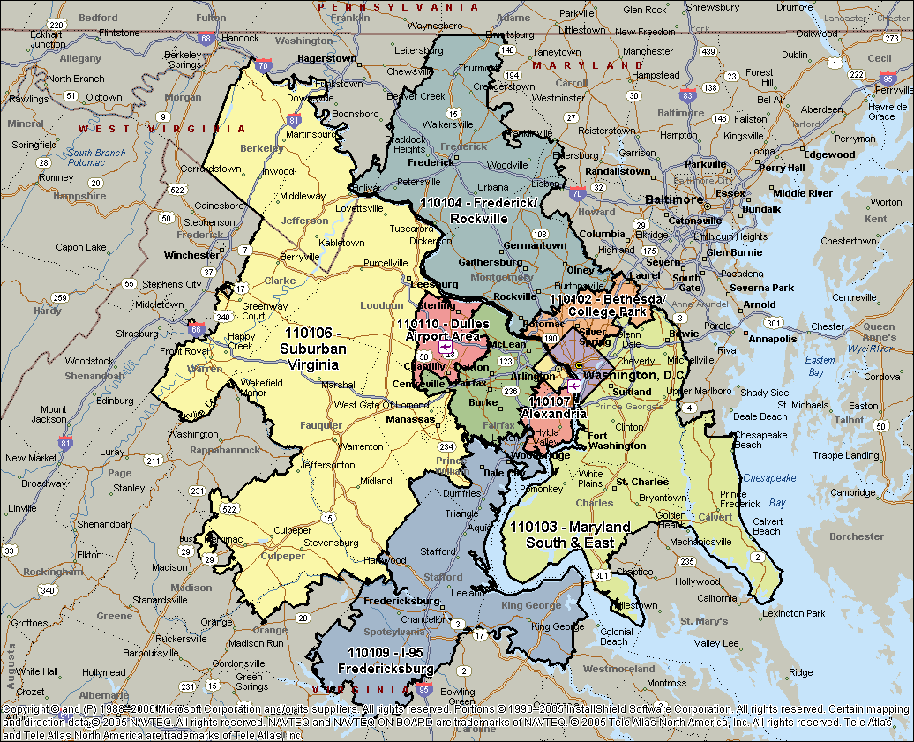

149.55 | 162.11 | 167.91 | 178.08 | 165.20 | 165.69 | 213.96 | 225.76 | 219.97 | 185.24 | -8.3 | -9.1 | -10.6 | -0.4 | -2.6 | -6.7 | 10.0 | 7.4 | 8.6 | -0.6 | 151.90 | 161.08 | 161.17 | 172.71 | 157.30 | 161.45 | 184.97 | 187.55 | 186.27 | 170.01 | -3.5 | -5.5 | -12.2 | 2.8 | -1.3 | -4.3 | 5.8 | 3.7 | 4.7 | -1.1
90.49 | 105.19 | 107.45 | 106.61 | 96.67 | 102.34 | 115.37 | 123.58 | 119.79 | 108.32 | 4.3 | 1.8 | 0.9 | 3.0 | 0.6 | 1.8 | 3.5 | 4.3 | 3.9 | 2.7 | 86.58 | 94.59 | 96.35 | 98.21 | 92.29 | 93.91 | 101.18 | 104.61 | 102.92 | 96.83 | 2.3 | 1.0 | -2.2 | 2.2 | 0.8 | 0.5 | 2.6 | 3.6 | 3.1 | 1.5
79.02 | 87.61 | 87.77 | 88.27 | 82.91 | 85.42 | 92.64 | 94.52 | 93.62 | 88.03 | 4.6 | 6.2 | 2.6 | 4.0 | 0.5 | 3.4 | -2.8 | -2.4 | -2.6 | 1.1 | 77.35 | 81.82 | 82.73 | 83.70 | 81.32 | 81.49 | 87.86 | 88.71 | 88.29 | 83.62 | -0.1 | -0.4 | -3.3 | 1.0 | 0.9 | -0.4 | -1.4 | -1.6 | -1.5 | -0.7
89.11 | 96.00 | 96.10 | 96.97 | 92.21 | 94.35 | 93.09 | 91.82 | 92.45 | 93.83 | 5.4 | 5.3 | 3.5 | 5.0 | 3.9 | 4.6 | 2.9 | 1.9 | 2.4 | 4.0 | 85.26 | 89.91 | 89.99 | 90.06 | 87.46 | 88.63 | 89.12 | 88.48 | 88.80 | 88.68 | 2.8 | 5.0 | 3.0 | 2.8 | 1.7 | 3.1 | 2.4 | 1.9 | 2.1 | 2.8
89.18 | 91.90 | 92.24 | 91.80 | 93.32 | 91.82 | 122.26 | 141.05 | 131.86 | 103.58 | -0.7 | -2.5 | -1.5 | -1.9 | -0.4 | -1.4 | 1.1 | -3.5 | -1.4 | -1.0 | 121.68 | 117.62 | 119.22 | 127.21 | 118.01 | 120.70 | 127.41 | 135.08 | 131.24 | 123.91 | 10.1 | 3.5 | 2.5 | 21.4 | 9.2 | 9.1 | 1.6 | 2.4 | 2.1 | 6.6
88.07 | 97.75 | 103.85 | 101.01 | 95.28 | 97.90 | 96.73 | 103.41 | 100.13 | 98.57 | -3.6 | -1.0 | 0.6 | 2.5 | 0.0 | 0.0 | -3.1 | 1.3 | -0.8 | -0.2 | 90.78 | 95.21 | 98.23 | 103.35 | 94.75 | 96.55 | 98.33 | 99.78 | 99.06 | 97.33 | -0.1 | 1.0 | -3.8 | 8.8 | 2.5 | 1.6 | 1.0 | 1.8 | 1.4 | 1.6
112.47 | 118.31 | 120.52 | 121.81 | 121.18 | 119.45 | 142.93 | 165.65 | 155.50 | 129.90 | -7.3 | -6.7 | -6.0 | -4.5 | -5.7 | -5.8 | -3.8 | -3.2 | -4.3 | -6.9 | 134.35 | 129.21 | 133.95 | 145.73 | 135.37 | 135.83 | 149.46 | 157.86 | 153.80 | 141.18 | -1.5 | -5.9 | -8.5 | 9.7 | 0.6 | -1.3 | -2.7 | -2.9 | -2.9 | -2.1
95.02 | 105.38 | 109.05 | 103.86 | 98.42 | 102.94 | 107.12 | 108.55 | 107.85 | 104.30 | 0.7 | 3.1 | 2.6 | -1.4 | -3.7 | 0.3 | -0.5 | -0.7 | -0.6 | 0.0 | 95.44 | 101.51 | 103.04 | 102.64 | 99.66 | 100.61 | 108.62 | 108.99 | 108.80 | 103.12 | -0.4 | 2.2 | -0.4 | 1.2 | 0.2 | 0.6 | -0.5 | 0.2 | -0.2 | 0.3
86.63 | 91.37 | 89.61 | 92.59 | 97.59 | 91.96 | 94.46 | 122.00 | 109.55 | 98.15 | 0.5 | -0.9 | 0.6 | 3.2 | 9.2 | 2.8 | -9.6 | 5.2 | -1.0 | 1.0 | 106.43 | 104.72 | 111.54 | 113.13 | 105.25 | 108.22 | 125.91 | 117.09 | 121.55 | 112.74 | 14.1 | 10.7 | 17.7 | 21.8 | 11.1 | 15.0 | 19.6 | 8.1 | 13.8 | 14.6
82.86 | 87.59 | 90.81 | 89.26 | 89.16 | 88.38 | 116.74 | 114.75 | 115.81 | 97.93 | -4.9 | -5.9 | -3.9 | -5.2 | -3.3 | -4.5 | 5.9 | 0.8 | 3.4 | -1.2 | 83.87 | 86.10 | 87.51 | 87.83 | 87.26 | 86.56 | 99.72 | 98.23 | 98.98 | 90.65 | -3.8 | -4.3 | -3.9 | -3.2 | -4.7 | -4.0 | -0.1 | -2.6 | -1.3 | -3.1
98.29 | 103.62 | 107.33 | 106.90 | 106.66 | 105.17 | 112.67 | 112.16 | 112.43 | 107.39 | 10.4 | 5.6 | 5.1 | 4.4 | 10.1 | 6.9 | 7.0 | 1.9 | 4.4 | 6.2 | 94.35 | 98.03 | 101.84 | 106.34 | 101.71 | 100.89 | 108.11 | 108.64 | 108.37 | 103.34 | 4.1 | 1.4 | -0.1 | 8.5 | 6.7 | 4.1 | 4.0 | 1.6 | 2.8 | 3.8
98.58 | 107.91 | 110.27 | 111.49 | 105.83 | 107.43 | 124.14 | 131.76 | 128.09 | 113.93 | 1.2 | -1.3 | -3.0 | 0.7 | 0.3 | -0.7 | 2.8 | -0.3 | 1.0 | -0.2 | 99.81 | 104.38 | 106.20 | 110.64 | 103.79 | 105.19 | 113.76 | 116.52 | 115.16 | 108.30 | 0.8 | -0.3 | -2.7 | 7.2 | 2.8 | 1.6 | 2.4 | 1.2 | 1.8 | 1.6
88.53 | 93.81 | 95.06 | 93.81 | 91.36 | 92.84 | 90.97 | 97.60 | 94.33 | 93.23 | -6.0 | -8.1 | -6.4 | -7.5 | -8.8 | -7.4 | -15.6 | -20.8 | -18.3 | -10.6 | 86.62 | 90.84 | 90.41 | 93.47 | 88.20 | 90.11 | 93.41 | 96.40 | 94.89 | 91.49 | -11.9 | -10.8 | -18.1 | -10.2 | -13.1 | -12.8 | -15.6 | -17.3 | -16.5 | -14.0
88.03 | 92.08 | 94.84 | 95.90 | 91.85 | 93.10 | 93.88 | 96.95 | 95.44 | 93.78 | -8.1 | -9.0 | -5.9 | -1.3 | -1.8 | -5.0 | -5.7 | -2.7 | -4.2 | -4.7 | 86.65 | 89.02 | 90.35 | 93.19 | 89.61 | 89.93 | 92.53 | 93.20 | 92.86 | 90.81 | -4.5 | -6.0 | -7.1 | -0.9 | -2.3 | -4.1 | -3.7 | -3.0 | -3.3 | -3.9
87.15 | 92.64 | 96.15 | 95.22 | 95.40 | 93.65 | 108.29 | 115.61 | 112.03 | 100.12 | 0.9 | 1.9 | 2.7 | 1.8 | 0.5 | 1.6 | 0.5 | 0.4 | 0.5 | 1.2 | 95.14 | 95.55 | 96.33 | 103.63 | 97.11 | 97.72 | 105.58 | 108.29 | 106.94 | 100.77 | -0.4 | -0.3 | -7.2 | 8.6 | -0.8 | -0.2 | -3.0 | -2.7 | -2.9 | -1.1
125.85 | 151.09 | 161.43 | 156.55 | 134.40 | 147.95 | 120.12 | 121.67 | 120.92 | 140.96 | 3.0 | 1.1 | 1.0 | -0.4 | -8.2 | -0.9 | -23.8 | -40.6 | -34.1 | -11.6 | 114.60 | 126.90 | 135.02 | 137.68 | 123.34 | 128.19 | 117.16 | 117.60 | 117.39 | 125.03 | 3.2 | 0.1 | -1.7 | 3.8 | -0.3 | 1.1 | -5.8 | -17.2 | -12.1 | -3.0
85.45 | 90.48 | 90.09 | 91.14 | 92.14 | 90.11 | 93.24 | 110.91 | 102.65 | 94.20 | 1.1 | 0.7 | 1.0 | 1.8 | 4.9 | 1.9 | -7.0 | 3.2 | -1.3 | 0.5 | 96.28 | 96.19 | 99.87 | 101.84 | 96.37 | 98.11 | 110.93 | 106.29 | 108.61 | 101.55 | 7.9 | 5.9 | 8.5 | 13.4 | 6.4 | 8.4 | 11.7 | 5.0 | 8.3 | 8.4
218,191 | 296,985 | 347,066 | 380,198 | 317,838 | 1,560,278 | 556,513 | 609,316 | 1,165,829 | 2,726,107 | 26.4 | -11.4 | -22.9 | 2.9 | 14.7 | -2.8 | 24.1 | 15.6 | 19.5 | 5.7 | 661,689 | 823,773 | 824,876 | 1,020,706 | 816,563 | 4,147,607 | 1,238,527 | 1,280,813 | 2,519,340 | 6,666,947 | 3.2 | 0.3 | -17.6 | 42.6 | 20.7 | 7.6 | 22.3 | 19.7 | 20.9 | 12.3
298,873 | 514,490 | 595,617 | 550,237 | 429,200 | 2,388,417 | 647,812 | 808,236 | 1,456,048 | 3,844,465 | 8.6 | 1.9 | -0.9 | 0.2 | 0.0 | 1.2 | 7.0 | 6.0 | 6.5 | 3.2 | 1,152,530 | 1,521,985 | 1,582,713 | 1,637,691 | 1,441,691 | 7,336,609 | 1,862,471 | 1,988,221 | 3,850,693 | 11,187,302 | 5.5 | 8.0 | -10.4 | -1.1 | -3.8 | -1.1 | 4.5 | 7.4 | 6.0 | 1.2
120,190 | 165,663 | 175,538 | 174,949 | 156,364 | 792,703 | 192,419 | 212,583 | 405,002 | 1,197,705 | 15.3 | 11.7 | 5.0 | 3.6 | 1.9 | 6.8 | -4.3 | -3.4 | -3.8 | 3.0 | 459,706 | 557,921 | 556,095 | 574,690 | 545,220 | 2,693,632 | 650,501 | 683,513 | 1,334,014 | 4,027,646 | -1.2 | 4.2 | -7.9 | -0.3 | -3.9 | -2.0 | -2.2 | -0.2 | -1.2 | -1.7
261,282 | 350,982 | 368,175 | 372,276 | 322,907 | 1,675,622 | 305,158 | 307,323 | 612,481 | 2,288,103 | 24.9 | 26.7 | 21.9 | 24.3 | 23.9 | 24.3 | 17.2 | 17.8 | 17.5 | 22.4 | 833,184 | 1,020,737 | 993,898 | 986,985 | 924,231 | 4,759,035 | 958,130 | 968,167 | 1,926,297 | 6,685,332 | 13.3 | 29.7 | 16.6 | 13.8 | 7.2 | 16.0 | 10.6 | 11.0 | 10.8 | 14.4
242,032 | 354,636 | 374,215 | 365,455 | 324,189 | 1,660,526 | 449,416 | 542,337 | 991,752 | 2,652,279 | -14.9 | -7.4 | -6.7 | -7.6 | -5.3 | -8.1 | -1.7 | -4.3 | -3.2 | -6.3 | 1,446,324 | 1,726,838 | 1,658,363 | 1,746,817 | 1,537,937 | 8,116,278 | 1,874,655 | 1,984,633 | 3,859,288 | 11,975,566 | -0.1 | 10.5 | 1.9 | 20.6 | -4.1 | 5.5 | -7.2 | -0.6 | -3.9 | 2.3
173,756 | 270,972 | 308,949 | 303,839 | 263,731 | 1,321,248 | 273,266 | 303,310 | 576,576 | 1,897,823 | -4.5 | 0.4 | 2.7 | 6.2 | 3.9 | 2.2 | -3.7 | 4.6 | 0.5 | 1.7 | 862,524 | 1,052,170 | 1,033,950 | 1,059,898 | 927,947 | 4,936,488 | 1,127,415 | 1,161,062 | 2,288,476 | 7,224,965 | 3.7 | 14.4 | 0.5 | 13.3 | -5.5 | 5.1 | 1.5 | 6.9 | 4.2 | 4.8
172,079 | 302,642 | 344,194 | 343,503 | 275,922 | 1,438,341 | 313,578 | 450,237 | 763,815 | 2,202,156 | -21.3 | -3.3 | -2.5 | -6.4 | -16.0 | -9.0 | -18.9 | -37.5 | -31.0 | -18.1 | 920,188 | 1,176,742 | 1,227,240 | 1,342,044 | 1,060,992 | 5,727,206 | 1,291,925 | 1,455,953 | 2,747,878 | 8,475,084 | -17.1 | -3.7 | -3.3 | 22.0 | -10.2 | -2.6 | -12.9 | -17.1 | -15.2 | -7.1
231,653 | 361,125 | 396,738 | 372,557 | 316,417 | 1,678,490 | 327,364 | 342,267 | 669,631 | 2,348,121 | -12.1 | -7.6 | -11.0 | -17.0 | -20.4 | -13.8 | -22.7 | -14.1 | -18.5 | -15.2 | 1,035,896 | 1,318,530 | 1,279,462 | 1,261,361 | 1,134,814 | 6,030,062 | 1,465,682 | 1,420,487 | 2,886,168 | 8,916,230 | -8.6 | 5.2 | -7.9 | -6.3 | -18.3 | -7.4 | -11.0 | -8.0 | -9.5 | -8.1
156,893 | 223,583 | 230,486 | 256,480 | 266,131 | 1,133,573 | 285,560 | 447,123 | 732,683 | 1,866,256 | 4.0 | 1.9 | 3.7 | 11.6 | 20.7 | 8.7 | -11.9 | 7.4 | -1.1 | 4.7 | 1,046,540 | 1,151,515 | 1,187,685 | 1,154,257 | 1,045,524 | 5,585,521 | 1,686,624 | 1,534,637 | 3,221,261 | 8,806,782 | 24.1 | 32.5 | 45.9 | 41.5 | 6.5 | 29.2 | 37.9 | 20.9 | 29.2 | 29.2
101,836 | 163,615 | 184,709 | 182,797 | 178,489 | 811,447 | 303,651 | 264,388 | 568,039 | 1,379,486 | -19.7 | -8.7 | -10.0 | -16.2 | -10.6 | -12.6 | 5.1 | -7.4 | -1.1 | -8.2 | 515,652 | 658,309 | 642,503 | 578,973 | 583,486 | 2,978,923 | 850,386 | 821,382 | 1,671,768 | 4,650,691 | -15.0 | 5.5 | 6.4 | -11.7 | -21.5 | -7.9 | -8.6 | -6.2 | -7.4 | -7.7
109,200 | 181,033 | 209,076 | 208,888 | 196,461 | 904,657 | 226,123 | 200,765 | 426,888 | 1,331,546 | 4.2 | 11.7 | 16.7 | 13.3 | 27.1 | 15.2 | 27.4 | 14.2 | 20.8 | 17.0 | 371,376 | 537,900 | 568,490 | 619,422 | 532,442 | 2,629,630 | 708,563 | 668,379 | 1,376,942 | 4,006,571 | -3.9 | -0.8 | -7.0 | 9.7 | 0.7 | -0.1 | 9.8 | 6.4 | 8.2 | 2.6
1,361,180 | 2,048,959 | 2,302,075 | 2,282,717 | 1,930,306 | 9,925,238 | 2,531,051 | 2,902,563 | 5,433,613 | 15,358,852 | 10.2 | 4.8 | 0.3 | 4.3 | 6.0 | 4.5 | 8.3 | -1.6 | 2.7 | 3.9 | 5,132,564 | 6,519,321 | 6,626,876 | 7,065,990 | 6,149,845 | 31,494,597 | 7,616,481 | 7,978,419 | 15,594,900 | 47,089,497 | 1.8 | 8.5 | -2.4 | 15.8 | 2.9 | 5.3 | 5.6 | 5.2 | 5.4 | 5.3
34,263 | 52,813 | 55,513 | 53,940 | 45,042 | 241,571 | 41,394 | 45,483 | 86,876 | 328,447 | -20.4 | -21.2 | -20.9 | -19.1 | -23.1 | -20.9 | -28.6 | -31.2 | -30.0 | -23.6 | 125,510 | 172,960 | 166,450 | 178,715 | 151,344 | 794,978 | 168,410 | 171,880 | 340,291 | 1,135,269 | -26.1 | -12.3 | -26.2 | -11.4 | -25.3 | -20.3 | -23.7 | -23.7 | -23.7 | -21.3

Norfolk & Virginia Beach, VA
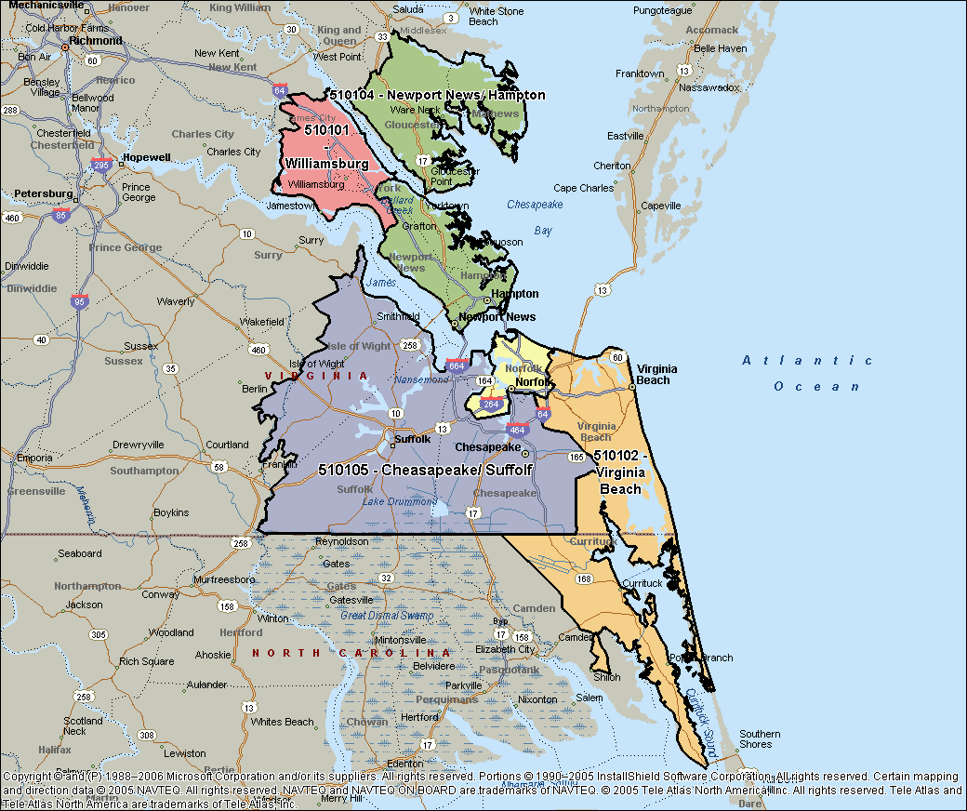

149.55 | 162.11 | 167.91 | 178.08 | 165.20 | 165.69 | 213.96 | 225.76 | 219.97 | 185.24 | -8.3 | -9.1 | -10.6 | -0.4 | -2.6 | -6.7 | 10.0 | 7.4 | 8.6 | -0.6 | 151.90 | 161.08 | 161.17 | 172.71 | 157.30 | 161.45 | 184.97 | 187.55 | 186.27 | 170.01 | -3.5 | -5.5 | -12.2 | 2.8 | -1.3 | -4.3 | 5.8 | 3.7 | 4.7 | -1.1
90.49 | 105.19 | 107.45 | 106.61 | 96.67 | 102.34 | 115.37 | 123.58 | 119.79 | 108.32 | 4.3 | 1.8 | 0.9 | 3.0 | 0.6 | 1.8 | 3.5 | 4.3 | 3.9 | 2.7 | 86.58 | 94.59 | 96.35 | 98.21 | 92.29 | 93.91 | 101.18 | 104.61 | 102.92 | 96.83 | 2.3 | 1.0 | -2.2 | 2.2 | 0.8 | 0.5 | 2.6 | 3.6 | 3.1 | 1.5
79.02 | 87.61 | 87.77 | 88.27 | 82.91 | 85.42 | 92.64 | 94.52 | 93.62 | 88.03 | 4.6 | 6.2 | 2.6 | 4.0 | 0.5 | 3.4 | -2.8 | -2.4 | -2.6 | 1.1 | 77.35 | 81.82 | 82.73 | 83.70 | 81.32 | 81.49 | 87.86 | 88.71 | 88.29 | 83.62 | -0.1 | -0.4 | -3.3 | 1.0 | 0.9 | -0.4 | -1.4 | -1.6 | -1.5 | -0.7
89.11 | 96.00 | 96.10 | 96.97 | 92.21 | 94.35 | 93.09 | 91.82 | 92.45 | 93.83 | 5.4 | 5.3 | 3.5 | 5.0 | 3.9 | 4.6 | 2.9 | 1.9 | 2.4 | 4.0 | 85.26 | 89.91 | 89.99 | 90.06 | 87.46 | 88.63 | 89.12 | 88.48 | 88.80 | 88.68 | 2.8 | 5.0 | 3.0 | 2.8 | 1.7 | 3.1 | 2.4 | 1.9 | 2.1 | 2.8
89.18 | 91.90 | 92.24 | 91.80 | 93.32 | 91.82 | 122.26 | 141.05 | 131.86 | 103.58 | -0.7 | -2.5 | -1.5 | -1.9 | -0.4 | -1.4 | 1.1 | -3.5 | -1.4 | -1.0 | 121.68 | 117.62 | 119.22 | 127.21 | 118.01 | 120.70 | 127.41 | 135.08 | 131.24 | 123.91 | 10.1 | 3.5 | 2.5 | 21.4 | 9.2 | 9.1 | 1.6 | 2.4 | 2.1 | 6.6
88.07 | 97.75 | 103.85 | 101.01 | 95.28 | 97.90 | 96.73 | 103.41 | 100.13 | 98.57 | -3.6 | -1.0 | 0.6 | 2.5 | 0.0 | 0.0 | -3.1 | 1.3 | -0.8 | -0.2 | 90.78 | 95.21 | 98.23 | 103.35 | 94.75 | 96.55 | 98.33 | 99.78 | 99.06 | 97.33 | -0.1 | 1.0 | -3.8 | 8.8 | 2.5 | 1.6 | 1.0 | 1.8 | 1.4 | 1.6
112.47 | 118.31 | 120.52 | 121.81 | 121.18 | 119.45 | 142.93 | 165.65 | 155.50 | 129.90 | -7.3 | -6.7 | -6.0 | -4.5 | -5.7 | -5.8 | -3.8 | -3.2 | -4.3 | -6.9 | 134.35 | 129.21 | 133.95 | 145.73 | 135.37 | 135.83 | 149.46 | 157.86 | 153.80 | 141.18 | -1.5 | -5.9 | -8.5 | 9.7 | 0.6 | -1.3 | -2.7 | -2.9 | -2.9 | -2.1
95.02 | 105.38 | 109.05 | 103.86 | 98.42 | 102.94 | 107.12 | 108.55 | 107.85 | 104.30 | 0.7 | 3.1 | 2.6 | -1.4 | -3.7 | 0.3 | -0.5 | -0.7 | -0.6 | 0.0 | 95.44 | 101.51 | 103.04 | 102.64 | 99.66 | 100.61 | 108.62 | 108.99 | 108.80 | 103.12 | -0.4 | 2.2 | -0.4 | 1.2 | 0.2 | 0.6 | -0.5 | 0.2 | -0.2 | 0.3
86.63 | 91.37 | 89.61 | 92.59 | 97.59 | 91.96 | 94.46 | 122.00 | 109.55 | 98.15 | 0.5 | -0.9 | 0.6 | 3.2 | 9.2 | 2.8 | -9.6 | 5.2 | -1.0 | 1.0 | 106.43 | 104.72 | 111.54 | 113.13 | 105.25 | 108.22 | 125.91 | 117.09 | 121.55 | 112.74 | 14.1 | 10.7 | 17.7 | 21.8 | 11.1 | 15.0 | 19.6 | 8.1 | 13.8 | 14.6
82.86 | 87.59 | 90.81 | 89.26 | 89.16 | 88.38 | 116.74 | 114.75 | 115.81 | 97.93 | -4.9 | -5.9 | -3.9 | -5.2 | -3.3 | -4.5 | 5.9 | 0.8 | 3.4 | -1.2 | 83.87 | 86.10 | 87.51 | 87.83 | 87.26 | 86.56 | 99.72 | 98.23 | 98.98 | 90.65 | -3.8 | -4.3 | -3.9 | -3.2 | -4.7 | -4.0 | -0.1 | -2.6 | -1.3 | -3.1
98.29 | 103.62 | 107.33 | 106.90 | 106.66 | 105.17 | 112.67 | 112.16 | 112.43 | 107.39 | 10.4 | 5.6 | 5.1 | 4.4 | 10.1 | 6.9 | 7.0 | 1.9 | 4.4 | 6.2 | 94.35 | 98.03 | 101.84 | 106.34 | 101.71 | 100.89 | 108.11 | 108.64 | 108.37 | 103.34 | 4.1 | 1.4 | -0.1 | 8.5 | 6.7 | 4.1 | 4.0 | 1.6 | 2.8 | 3.8
98.58 | 107.91 | 110.27 | 111.49 | 105.83 | 107.43 | 124.14 | 131.76 | 128.09 | 113.93 | 1.2 | -1.3 | -3.0 | 0.7 | 0.3 | -0.7 | 2.8 | -0.3 | 1.0 | -0.2 | 99.81 | 104.38 | 106.20 | 110.64 | 103.79 | 105.19 | 113.76 | 116.52 | 115.16 | 108.30 | 0.8 | -0.3 | -2.7 | 7.2 | 2.8 | 1.6 | 2.4 | 1.2 | 1.8 | 1.6
88.53 | 93.81 | 95.06 | 93.81 | 91.36 | 92.84 | 90.97 | 97.60 | 94.33 | 93.23 | -6.0 | -8.1 | -6.4 | -7.5 | -8.8 | -7.4 | -15.6 | -20.8 | -18.3 | -10.6 | 86.62 | 90.84 | 90.41 | 93.47 | 88.20 | 90.11 | 93.41 | 96.40 | 94.89 | 91.49 | -11.9 | -10.8 | -18.1 | -10.2 | -13.1 | -12.8 | -15.6 | -17.3 | -16.5 | -14.0
88.03 | 92.08 | 94.84 | 95.90 | 91.85 | 93.10 | 93.88 | 96.95 | 95.44 | 93.78 | -8.1 | -9.0 | -5.9 | -1.3 | -1.8 | -5.0 | -5.7 | -2.7 | -4.2 | -4.7 | 86.65 | 89.02 | 90.35 | 93.19 | 89.61 | 89.93 | 92.53 | 93.20 | 92.86 | 90.81 | -4.5 | -6.0 | -7.1 | -0.9 | -2.3 | -4.1 | -3.7 | -3.0 | -3.3 | -3.9
87.15 | 92.64 | 96.15 | 95.22 | 95.40 | 93.65 | 108.29 | 115.61 | 112.03 | 100.12 | 0.9 | 1.9 | 2.7 | 1.8 | 0.5 | 1.6 | 0.5 | 0.4 | 0.5 | 1.2 | 95.14 | 95.55 | 96.33 | 103.63 | 97.11 | 97.72 | 105.58 | 108.29 | 106.94 | 100.77 | -0.4 | -0.3 | -7.2 | 8.6 | -0.8 | -0.2 | -3.0 | -2.7 | -2.9 | -1.1
125.85 | 151.09 | 161.43 | 156.55 | 134.40 | 147.95 | 120.12 | 121.67 | 120.92 | 140.96 | 3.0 | 1.1 | 1.0 | -0.4 | -8.2 | -0.9 | -23.8 | -40.6 | -34.1 | -11.6 | 114.60 | 126.90 | 135.02 | 137.68 | 123.34 | 128.19 | 117.16 | 117.60 | 117.39 | 125.03 | 3.2 | 0.1 | -1.7 | 3.8 | -0.3 | 1.1 | -5.8 | -17.2 | -12.1 | -3.0
85.45 | 90.48 | 90.09 | 91.14 | 92.14 | 90.11 | 93.24 | 110.91 | 102.65 | 94.20 | 1.1 | 0.7 | 1.0 | 1.8 | 4.9 | 1.9 | -7.0 | 3.2 | -1.3 | 0.5 | 96.28 | 96.19 | 99.87 | 101.84 | 96.37 | 98.11 | 110.93 | 106.29 | 108.61 | 101.55 | 7.9 | 5.9 | 8.5 | 13.4 | 6.4 | 8.4 | 11.7 | 5.0 | 8.3 | 8.4
34.2 | 50.7 | 53.1 | 52.4 | 44.7 | 47.0 | 41.7 | 42.3 | 42.0 | 45.6 | -11.3 | -6.4 | -5.0 | -7.9 | -13.8 | -8.7 | -8.2 | -9.8 | -9.0 | -8.8 | 34.5 | 45.2 | 43.0 | 41.5 | 39.3 | 40.7 | 43.2 | 42.3 | 42.7 | 41.3 | -13.3 | 5.6 | -4.6 | -7.2 | -18.3 | -7.7 | -10.2 | -7.0 | -8.6 | -8.0
27.1 | 38.8 | 41.9 | 41.9 | 40.0 | 37.9 | 47.2 | 44.8 | 46.0 | 40.2 | -16.1 | -4.8 | -8.3 | -12.9 | -12.5 | -10.8 | -10.9 | -12.5 | -11.6 | -11.1 | 34.3 | 40.6 | 38.4 | 36.0 | 35.9 | 37.0 | 45.1 | 44.4 | 44.8 | 39.2 | -11.7 | 7.6 | 3.3 | -8.2 | -19.0 | -6.1 | -11.4 | -6.8 | -9.2 | -7.2
26.6 | 41.6 | 42.7 | 40.4 | 30.8 | 36.4 | 31.0 | 28.7 | 29.8 | 34.5 | -8.0 | 4.6 | -7.5 | -9.6 | -18.4 | -7.7 | -14.4 | -4.2 | -9.8 | -8.2 | 25.9 | 36.1 | 33.6 | 32.3 | 28.6 | 31.3 | 30.5 | 29.8 | 30.1 | 31.0 | -10.7 | 12.3 | 0.4 | -2.1 | -17.9 | -3.6 | -16.5 | -9.0 | -12.9 | -6.4
31.0 | 44.1 | 47.0 | 47.0 | 43.3 | 42.5 | 46.9 | 50.7 | 48.8 | 44.3 | -7.8 | -3.3 | -3.1 | -3.0 | -2.4 | -3.7 | -3.0 | 0.0 | -1.4 | -3.0 | 38.5 | 45.2 | 43.1 | 42.4 | 40.1 | 41.9 | 47.4 | 48.6 | 48.0 | 43.6 | -1.0 | 7.8 | -0.9 | 0.0 | -11.6 | -1.3 | -5.0 | 0.4 | -2.3 | -1.6
34.7 | 56.0 | 66.8 | 60.9 | 48.7 | 53.4 | 50.8 | 63.5 | 57.2 | 54.5 | 5.7 | -5.2 | 2.9 | -9.2 | -16.0 | -5.2 | -24.3 | -15.5 | -19.7 | -10.1 | 35.4 | 42.7 | 48.2 | 55.4 | 45.5 | 45.4 | 48.9 | 52.6 | 50.7 | 47.0 | -4.6 | -4.8 | -11.7 | 16.3 | 0.2 | -1.0 | -8.8 | -9.3 | -9.0 | -3.7
37.3 | 60.2 | 70.2 | 67.8 | 53.1 | 57.7 | 59.0 | 67.6 | 63.3 | 59.3 | 2.1 | 0.6 | -0.5 | -1.5 | -10.6 | -2.2 | -6.4 | -13.6 | -10.4 | -4.9 | 34.9 | 42.4 | 45.4 | 52.1 | 43.6 | 43.7 | 49.9 | 52.2 | 51.1 | 45.8 | -7.0 | -1.9 | -11.0 | 15.4 | -3.4 | -1.6 | -4.0 | -6.3 | -5.2 | -2.8
40.7 | 60.1 | 68.1 | 66.2 | 57.6 | 58.5 | 59.3 | 63.8 | 61.5 | 59.4 | 7.1 | 0.7 | -1.2 | -1.0 | -0.5 | 0.5 | -3.3 | -11.7 | -7.9 | -2.1 | 37.6 | 45.3 | 47.2 | 50.3 | 45.7 | 45.2 | 51.0 | 52.2 | 51.6 | 47.0 | -4.2 | 0.4 | -5.0 | 7.6 | -1.4 | -0.5 | -0.6 | -1.8 | -1.2 | -0.7
36.7 | 52.6 | 57.2 | 56.8 | 51.4 | 50.9 | 55.5 | 57.9 | 56.7 | 52.6 | 5.5 | 3.8 | 1.1 | 2.5 | 2.0 | 2.8 | -0.8 | -5.8 | -3.4 | 0.8 | 39.0 | 47.1 | 46.0 | 46.3 | 44.5 | 44.6 | 52.0 | 51.4 | 51.7 | 46.6 | 1.3 | 11.9 | 5.2 | 8.9 | -2.7 | 4.9 | 4.4 | 3.6 | 4.0 | 4.6
40.5 | 48.6 | 50.6 | 50.5 | 48.3 | 47.7 | 51.3 | 51.3 | 51.3 | 48.7 | 3.9 | 2.6 | 0.9 | -0.3 | -0.3 | 1.2 | 1.6 | -3.1 | -0.8 | 0.6 | 40.0 | 45.4 | 43.8 | 43.7 | 42.8 | 43.1 | 47.8 | 47.6 | 47.7 | 44.4 | -1.6 | 7.2 | 2.7 | 1.8 | -5.2 | 0.9 | 2.2 | 2.7 | 2.4 | 1.4
41.2 | 44.4 | 45.3 | 45.7 | 45.5 | 44.4 | 46.5 | 47.5 | 47.0 | 45.2 | 2.0 | 2.8 | 1.2 | -0.3 | -1.0 | 0.9 | -1.9 | -1.4 | -1.7 | 0.1 | 41.1 | 43.6 | 42.7 | 43.3 | 42.9 | 42.7 | 44.6 | 45.3 | 44.9 | 43.4 | 0.0 | 5.6 | -0.3 | 2.5 | -2.5 | 1.0 | -2.7 | 0.1 | -1.3 | 0.3
34.3 | 52.3 | 55.6 | 54.3 | 47.0 | 48.7 | 44.0 | 45.4 | 44.7 | 47.6 | -12.6 | -8.9 | -8.1 | -11.5 | -15.4 | -11.1 | -9.6 | -9.0 | -9.3 | -10.6 | 34.1 | 45.7 | 44.3 | 43.4 | 40.3 | 41.6 | 43.2 | 42.6 | 42.9 | 41.9 | -15.8 | 0.9 | -9.1 | -8.3 | -20.0 | -10.5 | -12.5 | -7.3 | -10.0 | -10.4
31.6 | 40.7 | 42.5 | 41.7 | 37.8 | 38.9 | 40.1 | 42.4 | 41.2 | 39.5 | 17.7 | 10.6 | 4.9 | 4.5 | 2.1 | 7.3 | -3.2 | 7.2 | 1.8 | 5.6 | 34.5 | 39.9 | 37.6 | 35.6 | 35.3 | 36.6 | 41.3 | 42.5 | 41.9 | 38.1 | -4.3 | 12.8 | 9.1 | 5.0 | -5.9 | 3.2 | -0.4 | 8.3 | 3.8 | 3.4
49.6 | 60.9 | 67.1 | 66.5 | 60.7 | 60.9 | 67.7 | 69.3 | 68.5 | 63.1 | 18.3 | 7.2 | 1.3 | -0.6 | -5.3 | 3.0 | 2.6 | -1.7 | 0.4 | 2.2 | 46.1 | 53.7 | 53.0 | 54.2 | 51.2 | 51.6 | 53.7 | 54.2 | 53.9 | 52.3 | 3.8 | 9.5 | 8.8 | 23.2 | 8.3 | 10.6 | 0.7 | 7.0 | 3.8 | 8.5

Virginia Area
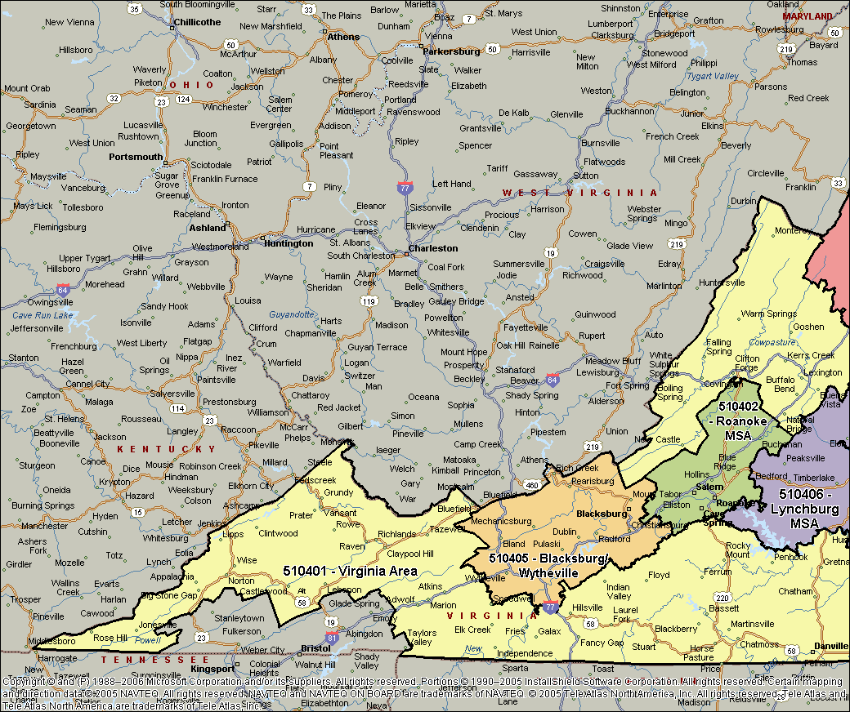
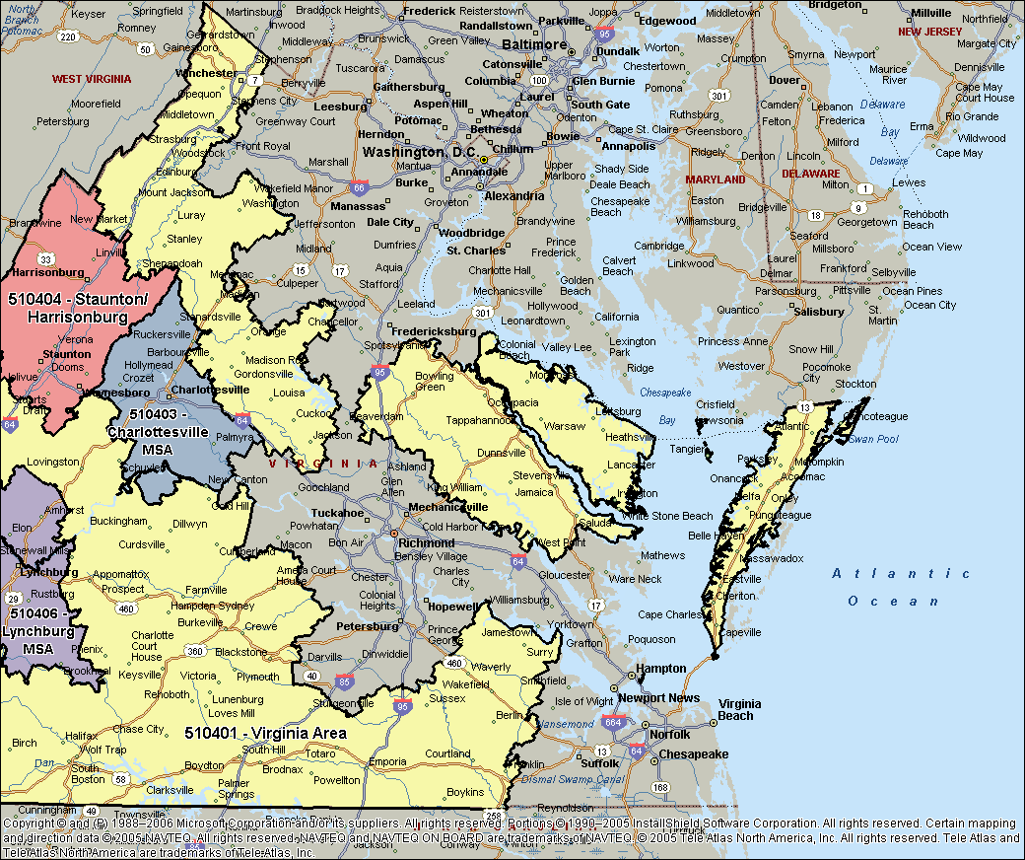

90.23 | 102.36 | 103.19 | 103.38 | 97.96 | 100.18 | 99.65 | 100.74 | 100.20 | 100.18 | -4.3 | -5.0 | -5.0 | -4.0 | -4.7 | -4.5 | -3.1 | -4.6 | -3.9 | -4.3 | 89.27 | 97.28 | 97.35 | 101.49 | 95.33 | 96.42 | 96.24 | 96.63 | 96.43 | 96.42 | -3.7 | -2.6 | -6.2 | 0.0 | -3.8 | -3.1 | -4.7 | -3.9 | -4.3 | -3.5
90.46 | 95.45 | 98.33 | 95.68 | 97.05 | 95.76 | 124.86 | 125.03 | 124.95 | 105.30 | -0.5 | 0.3 | 0.8 | -1.2 | -1.7 | -0.4 | 5.5 | 2.8 | 4.1 | 1.2 | 98.77 | 100.25 | 101.56 | 104.15 | 103.52 | 101.64 | 116.23 | 116.15 | 116.19 | 106.38 | 0.1 | -0.4 | -3.1 | 3.8 | 1.4 | 0.3 | 0.3 | 0.5 | 0.4 | 0.2
79.98 | 90.31 | 90.46 | 87.03 | 82.37 | 86.77 | 82.27 | 80.61 | 81.47 | 85.46 | 3.9 | 6.2 | 4.6 | 2.8 | 1.2 | 4.0 | 0.0 | 0.2 | 0.0 | 3.1 | 79.22 | 85.86 | 85.15 | 83.88 | 81.74 | 83.45 | 81.76 | 82.60 | 82.17 | 83.10 | 0.6 | 4.5 | 1.9 | 1.8 | -0.2 | 2.0 | -1.6 | -0.5 | -1.1 | 1.1
93.38 | 100.66 | 105.18 | 102.98 | 100.00 | 100.97 | 124.78 | 143.96 | 134.74 | 111.61 | -3.3 | -0.6 | 0.1 | 0.8 | -1.0 | -0.6 | 0.4 | -2.7 | -1.2 | -0.7 | 123.03 | 122.41 | 126.89 | 137.76 | 123.14 | 126.70 | 131.11 | 137.16 | 134.17 | 129.05 | 3.1 | 0.2 | -2.2 | 22.6 | 7.3 | 5.9 | -1.0 | -0.6 | -0.7 | 3.6
237.77 | 246.47 | 252.73 | 251.88 | 240.37 | 247.03 | 277.05 | 301.06 | 290.39 | 260.03 | 2.5 | 1.2 | -1.9 | 0.2 | -5.5 | -1.0 | -19.1 | -30.7 | -25.7 | -12.4 | 294.78 | 287.89 | 287.69 | 309.25 | 282.62 | 293.07 | 303.34 | 311.77 | 307.71 | 297.59 | 3.5 | -1.2 | -8.9 | 9.1 | -0.1 | 0.1 | -7.6 | -11.3 | -9.6 | -3.5
152.52 | 180.01 | 189.03 | 185.82 | 163.01 | 176.89 | 163.93 | 176.25 | 170.51 | 174.94 | 0.2 | 0.2 | -0.3 | 0.2 | -5.2 | -0.9 | -11.1 | -25.2 | -19.8 | -7.7 | 158.03 | 169.83 | 176.33 | 183.98 | 161.60 | 171.03 | 161.61 | 166.16 | 163.94 | 168.77 | 1.5 | -0.2 | -4.3 | 7.4 | -1.5 | 0.6 | -4.8 | -11.8 | -8.6 | -2.5
127.62 | 138.98 | 145.23 | 142.29 | 130.90 | 138.01 | 132.14 | 132.85 | 132.51 | 136.38 | 3.1 | 0.9 | -0.5 | -0.7 | -4.1 | -0.6 | -8.7 | -21.0 | -15.8 | -5.7 | 120.00 | 126.29 | 130.56 | 131.85 | 124.39 | 126.99 | 124.14 | 124.70 | 124.42 | 126.18 | 4.8 | 2.0 | 0.4 | 3.6 | 1.8 | 2.4 | 0.0 | -6.3 | -3.3 | 0.6
101.55 | 107.75 | 109.64 | 108.62 | 104.98 | 106.92 | 110.51 | 115.71 | 113.16 | 108.84 | 1.4 | 1.0 | 0.8 | 0.4 | -2.0 | 0.2 | -7.9 | -11.5 | -9.9 | -3.5 | 101.40 | 104.26 | 106.60 | 107.55 | 103.79 | 104.83 | 111.17 | 110.14 | 110.66 | 106.67 | 2.7 | 1.4 | 1.1 | 4.3 | 1.2 | 2.1 | 1.1 | -2.5 | -0.7 | 1.2
77.23 | 78.83 | 80.74 | 80.11 | 78.33 | 79.13 | 82.14 | 82.99 | 82.57 | 80.17 | 2.9 | -0.8 | 2.2 | 0.8 | -0.9 | 0.7 | -4.2 | -8.6 | -6.6 | -1.7 | 76.11 | 77.69 | 78.18 | 78.08 | 77.25 | 77.49 | 80.53 | 80.76 | 80.64 | 78.45 | 0.4 | 0.2 | 0.4 | 1.2 | -0.1 | 0.4 | -1.6 | -2.8 | -2.2 | -0.4
59.57 | 60.43 | 60.55 | 60.29 | 60.04 | 60.18 | 61.84 | 62.41 | 62.13 | 60.76 | 1.0 | 0.3 | 1.4 | 0.6 | 0.0 | 0.7 | -3.2 | -6.0 | -4.6 | -1.1 | 59.62 | 60.24 | 60.10 | 60.38 | 60.35 | 60.15 | 62.08 | 62.43 | 62.26 | 60.77 | -0.3 | 0.0 | -0.9 | 0.3 | 0.9 | 0.0 | -1.9 | -2.2 | -2.0 | -0.6
93.03 | 106.78 | 107.61 | 107.72 | 109.19 | 105.71 | 123.34 | 122.49 | 122.91 | 110.33 | -5.6 | -4.9 | -5.0 | -4.0 | -2.7 | -4.3 | 0.8 | -2.8 | -1.1 | -3.3 | 109.02 | 113.79 | 115.49 | 122.09 | 117.93 | 115.91 | 119.73 | 119.25 | 119.49 | 116.95 | -0.7 | -2.5 | -6.0 | 5.5 | 0.9 | -0.6 | -3.9 | -2.1 | -3.0 | -1.3
84.39 | 89.64 | 90.55 | 89.62 | 85.97 | 88.27 | 91.79 | 95.84 | 93.87 | 89.94 | 1.9 | 2.3 | 1.3 | 0.4 | -0.4 | 1.0 | -3.7 | 0.5 | -1.5 | 0.1 | 84.93 | 86.98 | 86.91 | 89.16 | 86.57 | 86.92 | 91.85 | 93.24 | 92.56 | 88.69 | -0.4 | 0.0 | -2.8 | 2.9 | 0.6 | 0.1 | -0.9 | 0.3 | -0.3 | 0.0
90.85 | 98.81 | 101.34 | 98.87 | 96.71 | 97.67 | 105.17 | 109.16 | 107.19 | 100.62 | -1.4 | -0.9 | -1.3 | -4.2 | -1.9 | -2.2 | 1.2 | 0.6 | 0.9 | -1.2 | 90.16 | 95.37 | 96.52 | 96.02 | 93.96 | 94.53 | 96.61 | 96.59 | 96.60 | 95.14 | -0.2 | 1.1 | 2.5 | 4.8 | 3.5 | 2.4 | 1.7 | 1.3 | 1.5 | 2.1

VA Shenandoah Valley Regional
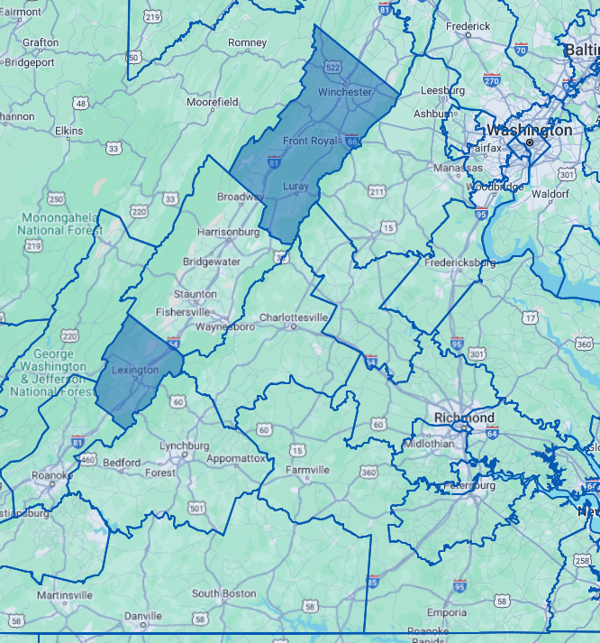

Virginia South Central
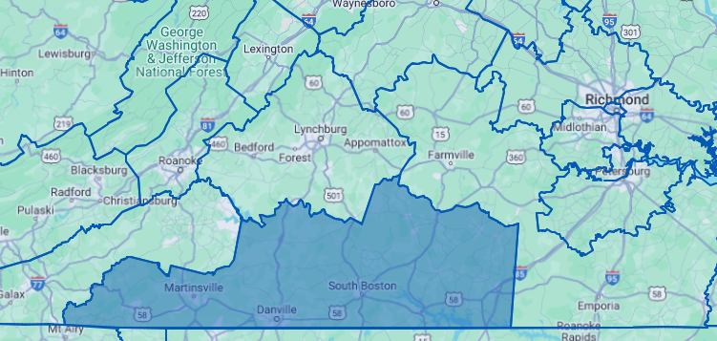

Virginia South Central

Richmond-Petersburg, VA
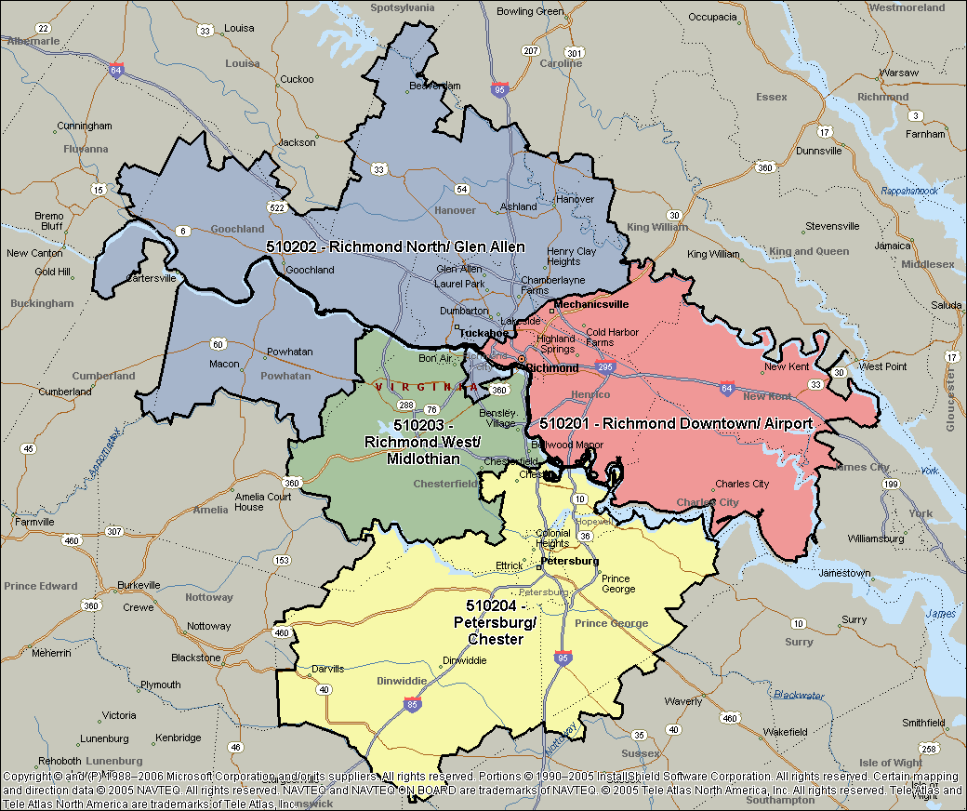

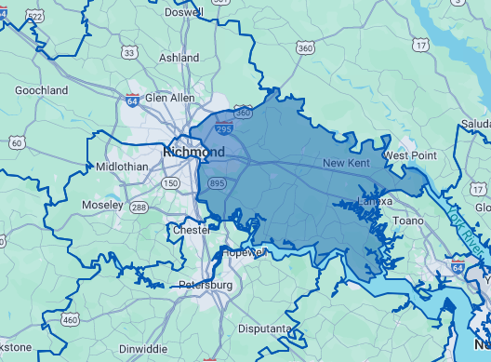

Richmond East-Airport

Bristol & Kingsport TN&VA, MSA
