Market Maps ->
Virginia Tourism Regions.
Refer to tabs to the right for STR Submarket Maps
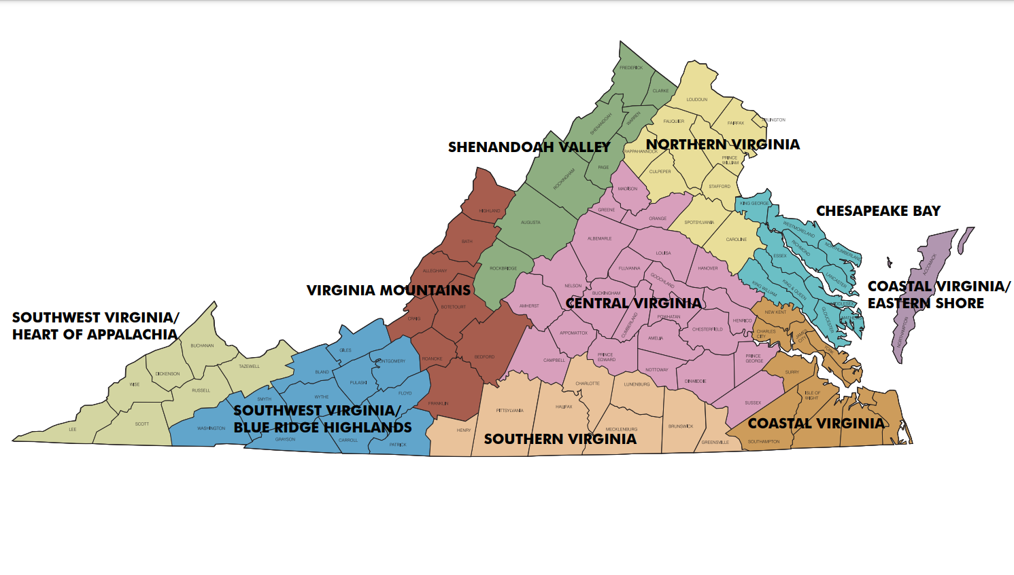

Washington, DC Market
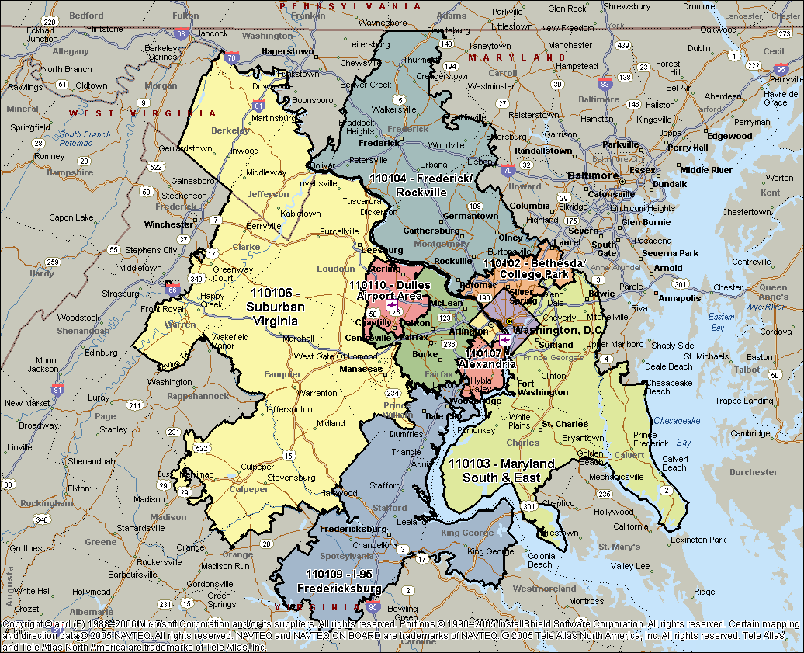

Norfolk & Virginia Beach, VA
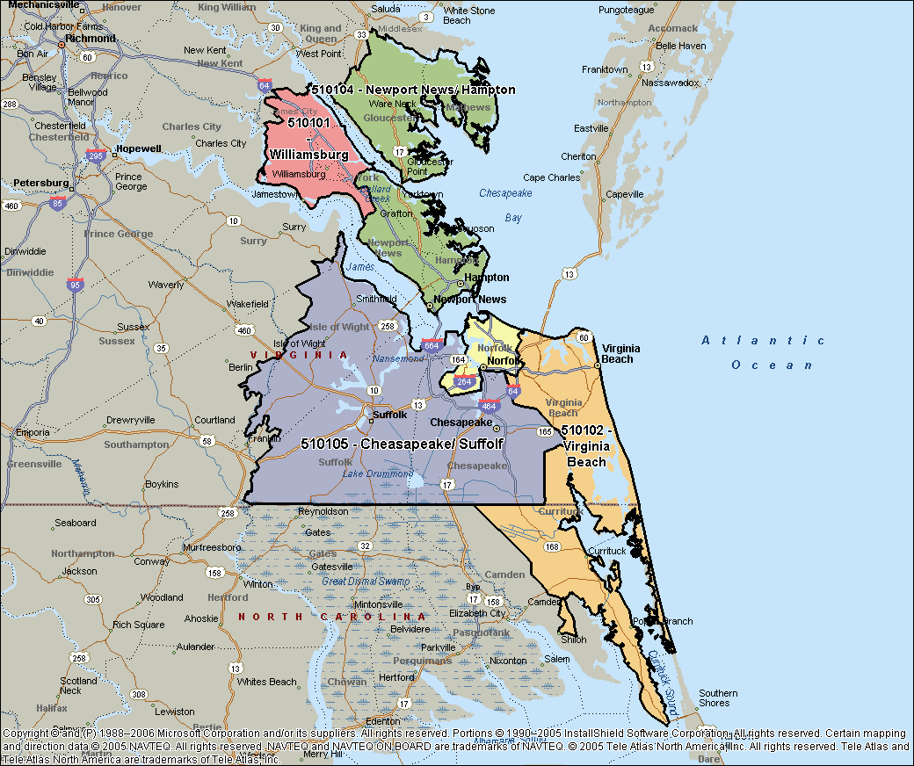

Virginia Area
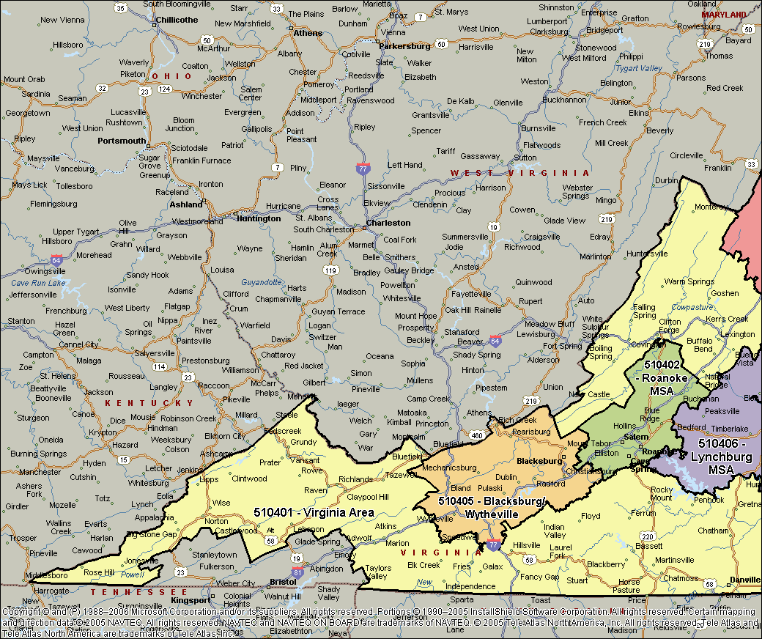
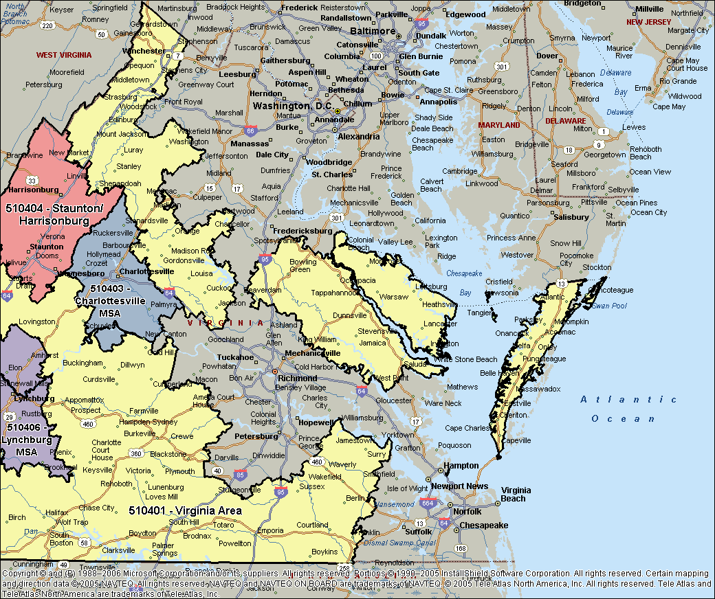

VA Shenandoah Valley Regional
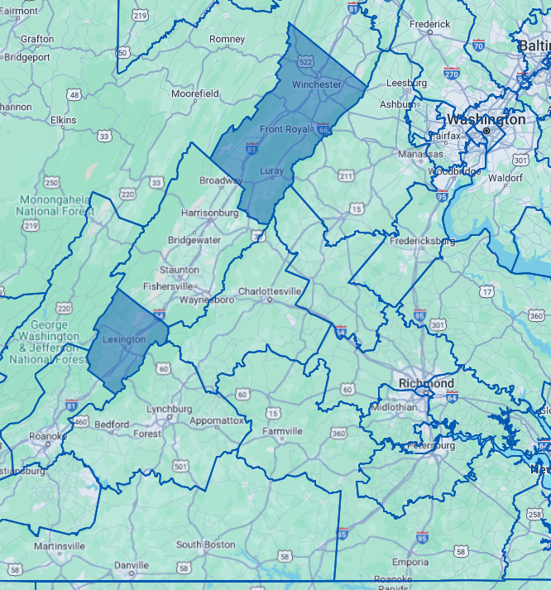

Virginia South Central
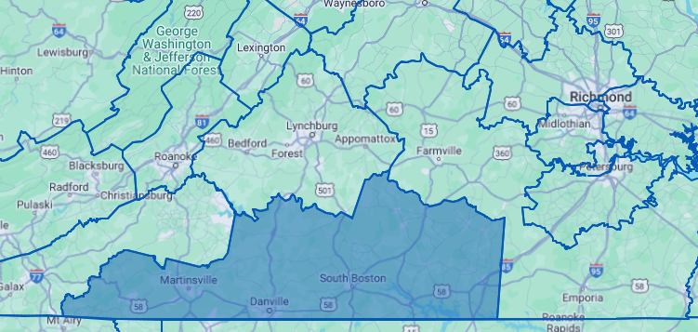

Virginia South Central

Richmond-Petersburg, VA
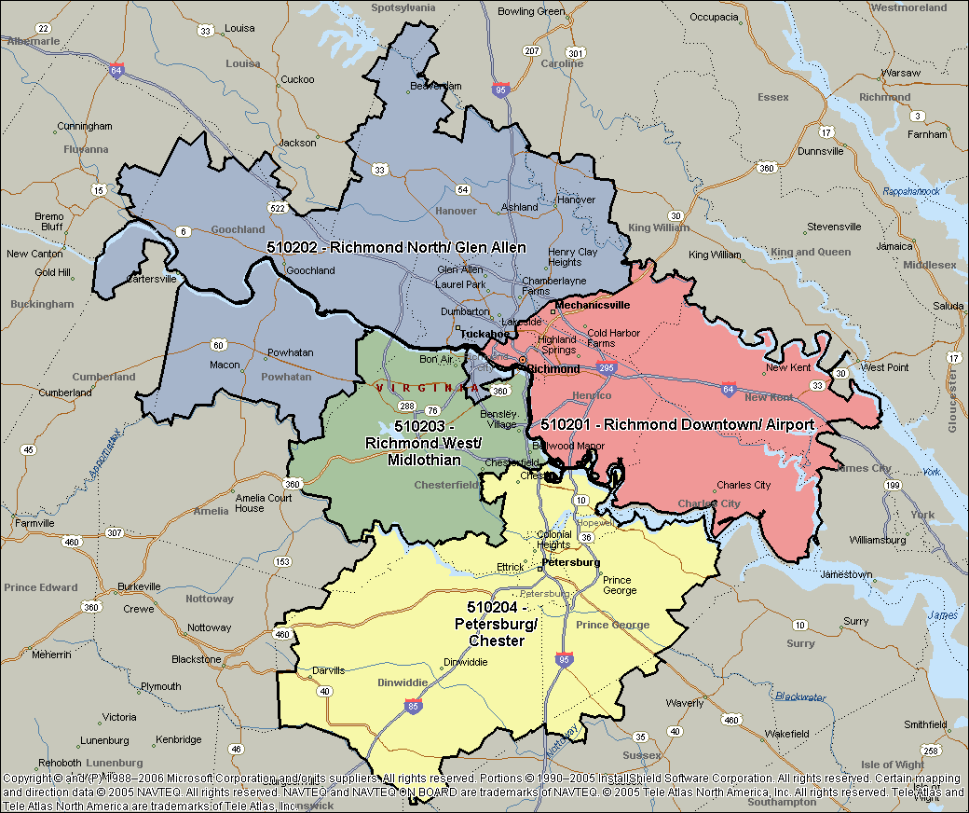

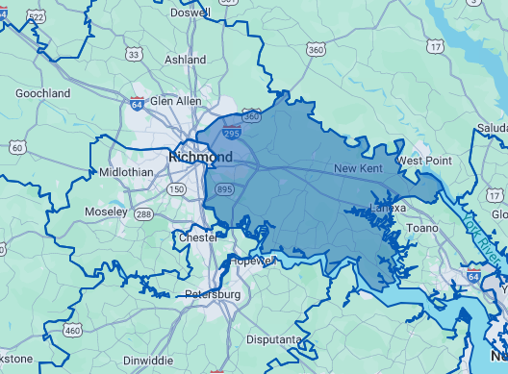

Richmond East-Airport

Bristol & Kingsport TN&VA, MSA
